2020_Indicator_2g_Chart
 | Missing | Not Enrolled | Not Classified, Less-than-2-Year Institution | Not Classified, 2-Year Institution | Not Classified, 4-Year Institution | Inclusive, 4-Year Institution | Moderately Competitive, 4-Year Institution | Most & Highly Competitive, 4-Year Institution
Amer. Indian/Alaska Native | 12% | 28% |  | 25% | 2% |  | 19% | 7%
Asian | 3% | 10% |  | 23% | 4% | 5% | 22% | 33%
Black/African-American | 5% | 30% | 1% | 24% | 6% | 10% | 18% | 5%
Hispanic | 3% | 29% | 1% | 34% | 6% | 5% | 14% | 7%
More than One Race | 4% | 28% | 1% | 27% | 7% | 6% | 19% | 9%
Native Hawaiian/Pacific Islander | 8% | 17% |  | 28% | 12% | 15% | 14% | 7%
White | 4% | 23% | 1% | 23% | 4% | 5% | 23% | 17%

2020_Indicator 2g_Data&Image
Equity Indicator 2g: Percentage distribution of 2009 9th graders who graduated from high school by 2013 by institutional selectivity of enrollment in the fall after scheduled high school graduation by race/ethnicity

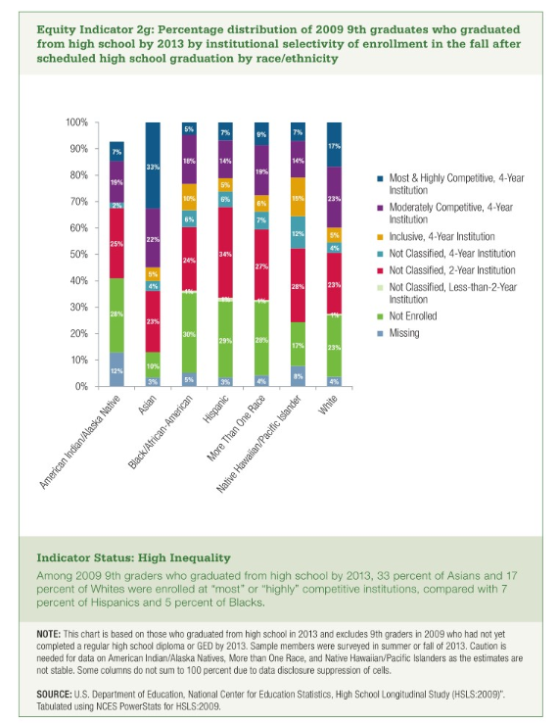
 | Missing | Not Enrolled | Not Classified, Less-than-2-Year Institution | Not Classified, 2-Year Institution | Not Classified, 4-Year Institution | Inclusive, 4-Year Institution | Moderately Competitive, 4-Year Institution | Most & Highly Competitive, 4-Year Institution
Amer. Indian/Alaska Native | 12% | 28% |  | 25% | 2% |  | 19% | 7% | 92%
Asian | 3% | 10% |  | 23% | 4% | 5% | 22% | 33% | 100%
Black/African-American | 5% | 30% | 1% | 24% | 6% | 10% | 18% | 5% | 100%
Hispanic | 3% | 29% | 1% | 34% | 6% | 5% | 14% | 7% | 100%
More than One Race | 4% | 28% | 1% | 27% | 7% | 6% | 19% | 9% | 100%
Native Hawaiian/Pacific Islander | 8% | 17% |  | 28% | 12% | 15% | 14% | 7% | 100%
White | 4% | 23% | 1% | 23% | 4% | 5% | 23% | 17% | 100%

