2020_Indicator_2e_Chart
 | Private For-Profit (All Levels) | Noncompetitive | 2-Year (Public & Private Non-Profit) | Less Competitive | 4-Year Not Ranked (Public & Private Non-Profit) | Competitive | Special | Very Competitive | Highly Competitive | Most Competitive
2000 | 54% | 50% | 38% | 46% | 45% | 35% | 31% | 27% | 20% | 15%
2001 | 54% | 52% | 40% | 44% | 44% | 34% | 31% | 26% | 19% | 14%
2002 | 57% | 48% | 42% | 46% | 43% | 35% | 31% | 27% | 19% | 14%
2003 | 59% | 52% | 43% | 46% | 45% | 36% | 36% | 27% | 18% | 14%
2004 | 58% | 54% | 43% | 47% | 46% | 36% | 34% | 27% | 19% | 14%
2005 | 58% | 53% | 44% | 46% | 41% | 35% | 34% | 26% | 20% | 14%
2006 | 58% | 52% | 43% | 45% | 42% | 33% | 30% | 25% | 17% | 13%
2007 | 56% | 50% | 42% | 45% | 41% | 33% | 30% | 24% | 17% | 14%
2008 | 59% | 53% | 43% | 47% | 43% | 34% | 33% | 25% | 19% | 14%
2009 | 65% | 49% | 46% | 46% | 46% | 35% | 35% | 25% | 18% | 14%
2010 | 74% | 59% | 54% | 52% | 52% | 41% | 40% | 31% | 22% | 16%
2011 | 77% | 60% | 59% | 56% | 55% | 46% | 43% | 34% | 24% | 18%
2012 | 76% | 62% | 61% | 57% | 57% | 45% | 40% | 33% | 24% | 16%
2013 | 75% | 59% | 60% | 56% | 54% | 44% | 39% | 32% | 23% | 16%
2014 | 75% | 59% | 59% | 56% | 55% | 43% | 41% | 32% | 23% | 16%
2015 | 74% | 61% | 59% | 55% | 54% | 43% | 37% | 33% | 22% | 16%
2016 | 70% | 58% | 56% | 54% | 51% | 43% | 39% | 32% | 21% | 16%
2017 | 68% | 59% | 55% | 55% | 53% | 43% | 37% | 31% | 21% | 16%
2018 | 67% | 60% | 57% | 56% | 53% | 44% | 36% | 33% | 23% | 17%

2020_Indicator_2e_Data&Image
Equity Indicator 2e: Average percentage of full-time, first-time degree/certificate-seeking undergraduate students who were awarded Pell or other Federal Grants by institutional selectivity: 1999-2000 to 2017-2018

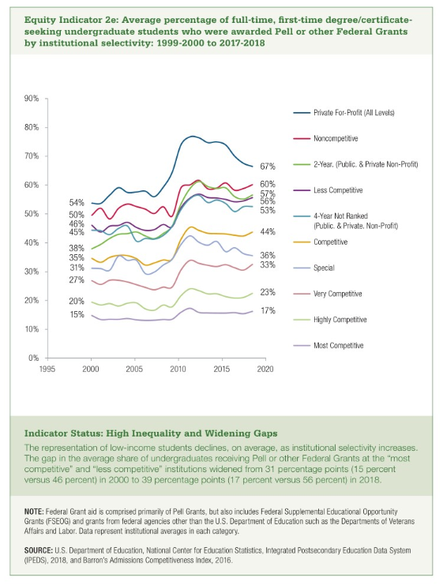
 | 2000 | 2001 | 2002 | 2003 | 2004 | 2005 | 2006 | 2007 | 2008 | 2009 | 2010 | 2011 | 2012 | 2013 | 2014 | 2015 | 2016 | 2017 | 2018
Private For-Profit (All Levels) | 54% | 54% | 57% | 59% | 58% | 58% | 58% | 56% | 59% | 65% | 74% | 77% | 76% | 75% | 75% | 74% | 70% | 68% | 67%
Noncompetitive | 50% | 52% | 48% | 52% | 54% | 53% | 52% | 50% | 53% | 49% | 59% | 60% | 62% | 59% | 59% | 61% | 58% | 59% | 60%
2-Year (Public & Private Non-Profit) | 38% | 40% | 42% | 43% | 43% | 44% | 43% | 42% | 43% | 46% | 54% | 59% | 61% | 60% | 59% | 59% | 56% | 55% | 57%
Less Competitive | 46% | 44% | 46% | 46% | 47% | 46% | 45% | 45% | 47% | 46% | 52% | 56% | 57% | 56% | 56% | 55% | 54% | 55% | 56%
4-Year Not Ranked (Public & Private Non-Profit) | 45% | 44% | 43% | 45% | 46% | 41% | 42% | 41% | 43% | 46% | 52% | 55% | 57% | 54% | 55% | 54% | 51% | 53% | 53%
Competitive | 35% | 34% | 35% | 36% | 36% | 35% | 33% | 33% | 34% | 35% | 41% | 46% | 45% | 44% | 43% | 43% | 43% | 43% | 44%
Special | 31% | 31% | 31% | 36% | 34% | 34% | 30% | 30% | 33% | 35% | 40% | 43% | 40% | 39% | 41% | 37% | 39% | 37% | 36%
Very Competitive | 27% | 26% | 27% | 27% | 27% | 26% | 25% | 24% | 25% | 25% | 31% | 34% | 33% | 32% | 32% | 33% | 32% | 31% | 33%
Highly Competitive | 20% | 19% | 19% | 18% | 19% | 20% | 17% | 17% | 19% | 18% | 22% | 24% | 24% | 23% | 23% | 22% | 21% | 21% | 23%
Most Competitive | 15% | 14% | 14% | 14% | 14% | 14% | 13% | 14% | 14% | 14% | 16% | 18% | 16% | 16% | 16% | 16% | 16% | 16% | 17%

