2020_Indicator_2d_Chart
 | Fourth (Highest) SES Quartile | Third SES Quartile | Second SES Quartile | First (Lowest) SES Quartile
1972 | 78 | 10 | 7 | 5
1982 | 67 | 18 | 11 | 4
1992 | 68 | 24 | 3 | 5
2004 | 69 | 19 | 8 | 4
1972 | 60 | 21 | 11 | 9
1982 | 61 | 25 | 10 | 4
1992 | 63 | 21 | 11 | 6
2004 | 66 | 20 | 9 | 5
1972 | 56 | 19 | 14 | 11
1982 | 55 | 22 | 14 | 10
1992 | 49 | 27 | 13 | 10
2004 | 51 | 27 | 15 | 7
1972 | 44 | 26 | 18 | 13
1982 | 41 | 29 | 21 | 9
1992 | 37 | 29 | 21 | 13
2004 | 38 | 30 | 19 | 13
1972 | 36 | 24 | 21 | 20
1982 | 31 | 29 | 22 | 18
1992 | 28 | 34 | 23 | 15
2004 | 26 | 29 | 25 | 20
1972 | 22 | 32 | 23 | 23
1982 | 14 | 28 | 31 | 27
1992 | 19 | 23 | 29 | 30
2004 | 9 | 28 | 33 | 31
1972 | 29 | 27 | 24 | 21
1982 | 25 | 29 | 27 | 19
1992 | 16 | 29 | 30 | 25
2004 | 18 | 28 | 29 | 25
1972 | 12 | 22 | 28 | 38
1982 | 10 | 20 | 31 | 40
1992 | 9 | 21 | 28 | 42
2004 | 8 | 19 | 31 | 42

2020_Indicator_2d_Data&Image
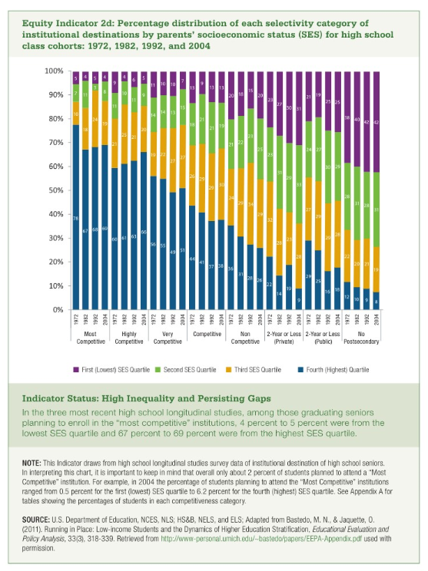
Equity Indicator 2d: Percentage distribution of each selectivity category of institutional destinations by parents’ socioeconomic status (SES) for high school class cohorts: 1972, 1982, 1992, and 2004

 | Most Competitive |  |  |  | Highly Competitive |  |  |  | Very Competitive |  |  |  | Competitive |  |  |  | Non Competitive |  |  |  | 2-Year or Less (Private) |  |  |  | 2-Year or Less (Public) |  |  |  | No Postsecondary
 | 1972 | 1982 | 1992 | 2004 | 1972 | 1982 | 1992 | 2004 | 1972 | 1982 | 1992 | 2004 | 1972 | 1982 | 1992 | 2004 | 1972 | 1982 | 1992 | 2004 | 1972 | 1982 | 1992 | 2004 | 1972 | 1982 | 1992 | 2004 | 1972 | 1982 | 1992 | 2004
Fourth (Highest) SES Quartile | 78 | 67 | 68 | 69 | 60 | 61 | 63 | 66 | 56 | 55 | 49 | 51 | 44 | 41 | 37 | 38 | 36 | 31 | 28 | 26 | 22 | 14 | 19 | 9 | 29 | 25 | 16 | 18 | 12 | 10 | 9 | 8
Third SES Quartile | 10 | 18 | 24 | 19 | 21 | 25 | 21 | 20 | 19 | 22 | 27 | 27 | 26 | 29 | 29 | 30 | 24 | 29 | 34 | 29 | 32 | 28 | 23 | 28 | 27 | 29 | 29 | 28 | 22 | 20 | 21 | 19
Second SES Quartile | 7 | 11 | 3 | 8 | 11 | 10 | 11 | 9 | 14 | 14 | 13 | 15 | 18 | 21 | 21 | 19 | 21 | 22 | 23 | 25 | 23 | 31 | 29 | 33 | 24 | 27 | 30 | 29 | 28 | 31 | 28 | 31
First (Lowest) SES Quartile | 5 | 4 | 5 | 4 | 9 | 4 | 6 | 5 | 11 | 10 | 10 | 7 | 13 | 9 | 13 | 13 | 20 | 18 | 15 | 20 | 23 | 27 | 30 | 31 | 21 | 19 | 25 | 25 | 38 | 40 | 42 | 42

