2020_Indicator_2c_Chart
 | Private Non-Profit 2-Year | Private For-Profit 2-Year | Private For-Profit 4-Year | Public 2-Year | Public 4-Year | Private Non-Profit 4-Year
2001 | 49% | 58% | 36% | 35% | 27% | 27%
2004 | 54% | 62% | 47% | 39% | 28% | 29%
2005 | 55% | 63% | 52% | 40% | 28% | 27%
2006 | 52% | 64% | 47% | 38% | 27% | 26%
2007 | 48% | 63% | 33% | 37% | 27% | 26%
2008 | 53% | 65% | 52% | 39% | 28% | 27%
2009 | 59% | 67% | 58% | 41% | 28% | 27%
2010 | 67% | 74% | 76% | 50% | 34% | 32%
2011 | 73% | 77% | 74% | 56% | 39% | 35%
2012 | 76% | 75% | 76% | 58% | 39% | 34%
2013 | 67% | 71% | 74% | 56% | 38% | 33%
2014 | 71% | 73% | 72% | 56% | 38% | 33%
2015 | 74% | 74% | 72% | 56% | 38% | 33%
2016 | 82% | 72% | 66% | 52% | 37% | 32%
2017 | 82% | 70% | 64% | 52% | 36% | 32%

2020_Indicator 2c_Data&Image
Equity Indicator 2c: Percentage of full-time, first-time degree/certificate-seeking undergraduate students receiving Pell or other Federal Grants by institutional type and control: 2001 to 2017

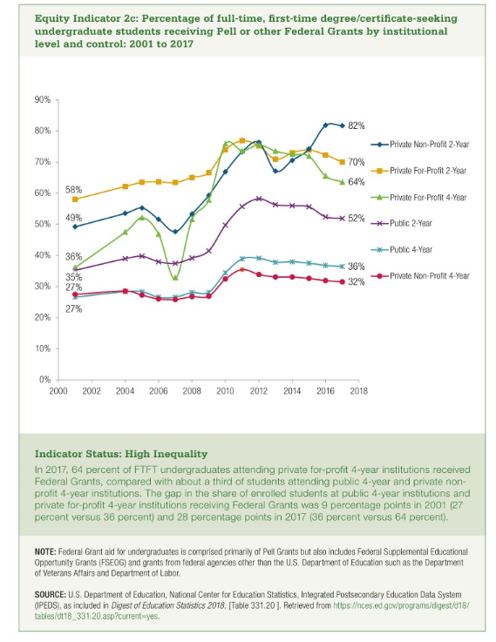
Type and Control | 2001 | 2004 | 2005 | 2006 | 2007 | 2008 | 2009 | 2010 | 2011 | 2012 | 2013 | 2014 | 2015 | 2016 | 2017
Private Non-Profit 2-Year | 49% | 54% | 55% | 52% | 48% | 53% | 59% | 67% | 73% | 76% | 67% | 71% | 74% | 82% | 82%
Private For-Profit 2-Year | 58% | 62% | 63% | 64% | 63% | 65% | 67% | 74% | 77% | 75% | 71% | 73% | 74% | 72% | 70%
Private For-Profit 4-Year | 36% | 47% | 52% | 47% | 33% | 52% | 58% | 76% | 74% | 76% | 74% | 72% | 72% | 66% | 64%
Public 2-Year | 35% | 39% | 40% | 38% | 37% | 39% | 41% | 50% | 56% | 58% | 56% | 56% | 56% | 52% | 52%
Public 4-Year | 27% | 28% | 28% | 27% | 27% | 28% | 28% | 34% | 39% | 39% | 38% | 38% | 38% | 37% | 36%
Private Non-Profit 4-Year | 27% | 29% | 27% | 26% | 26% | 27% | 27% | 32% | 35% | 34% | 33% | 33% | 33% | 32% | 32%

