2020 Indicator 2b_i Chart
 | Federal Grant Public | Federal Grant Private Non-Profit | Federal Grant Private For-Profit
2017 | 69% | 20% | 11%
2016 | 70% | 18% | 11%
2015 | 70% | 17% | 13%
2014 | 69% | 15% | 15%
2013 | 68% | 15% | 16%
2012 | 67% | 15% | 18%
2011 | 65% | 15% | 20%
2010 | 56% | 13% | 31%
2009 | 62% | 15% | 24%
2008 | 60% | 15% | 25%
2007 | 62% | 16% | 22%
2006 | 60% | 16% | 23%
2005 | 62% | 17% | 21%
2004 | 64% | 18% | 18%

2020 Indicator 2b_ii_Chart
 | No Federal Grant Public | No Federal Grant Private Non-Profit | No Federal Grant Private For-Profit
2017 | 71% | 25% | 4%
2016 | 72% | 25% | 4%
2015 | 71% | 25% | 4%
2014 | 70% | 25% | 5%
2013 | 70% | 25% | 5%
2012 | 70% | 25% | 5%
2011 | 70% | 25% | 6%
2010 | 69% | 22% | 9%
2009 | 70% | 22% | 8%
2008 | 68% | 22% | 8%
2007 | 66% | 21% | 13%
2006 | 68% | 23% | 10%
2005 | 69% | 23% | 8%
2004 | 70% | 23% | 7%

2020 Indicator_2b_Data&Image
Equity Indicator 2b: Percentage distribution of full-time, first-time degree-seeking undergraduate students by control of institution attended by receipt of federal grant status: 2004 to 2017

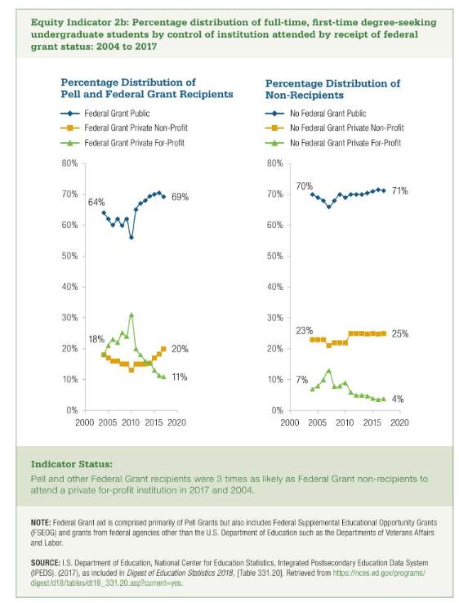
 | 2017 | 2016 | 2015 | 2014 | 2013 | 2012 | 2011 | 2010 | 2009 | 2008 | 2007 | 2006 | 2005 | 2004
Federal Grant Public | 69% | 70% | 70% | 69% | 68% | 67% | 65% | 56% | 62% | 60% | 62% | 60% | 62% | 64%
Federal Grant Private Non-Profit | 20% | 18% | 17% | 15% | 15% | 15% | 15% | 13% | 15% | 15% | 16% | 16% | 17% | 18%
Federal Grant Private For-Profit | 11% | 11% | 13% | 15% | 16% | 18% | 20% | 31% | 24% | 25% | 22% | 23% | 21% | 18%

 | 2017 | 2016 | 2015 | 2014 | 2013 | 2012 | 2011 | 2010 | 2009 | 2008 | 2007 | 2006 | 2005 | 2004
No Federal Grant Public | 71% | 72% | 71% | 70% | 70% | 70% | 70% | 69% | 70% | 68% | 66% | 68% | 69% | 70%
No Federal Grant Private Non-Profit | 25% | 25% | 25% | 25% | 25% | 25% | 25% | 22% | 22% | 22% | 21% | 23% | 23% | 23%
No Federal Grant Private For-Profit | 4% | 4% | 4% | 5% | 5% | 5% | 6% | 9% | 8% | 8% | 13% | 10% | 8% | 7%

