2020 Indicator 2a_Chart
 | 4-Year | 2-Year
Pell or Other Federal Grant | 57% | 43%
No Federal Grant | 70% | 30%
Pell or Other Federal Grant | 56% | 44%
No Federal Grant | 70% | 30%
Pell or Other Federal Grant | 53% | 47%
No Federal Grant | 69% | 31%
Pell or Other Federal Grant | 58% | 42%
No Federal Grant | 76% | 24%
Pell or Other Federal Grant | 59% | 41%
No Federal Grant | 77% | 23%

2020 Indicator 2a_Data&Image
Equity Indicator 2a: Percentage distribution of full-time, first-time degree-seeking undergraduate students who did and did not receive Pell or other Federal Grants by level of institution attended: 2001, 2005, 2010, 2015, and 2017

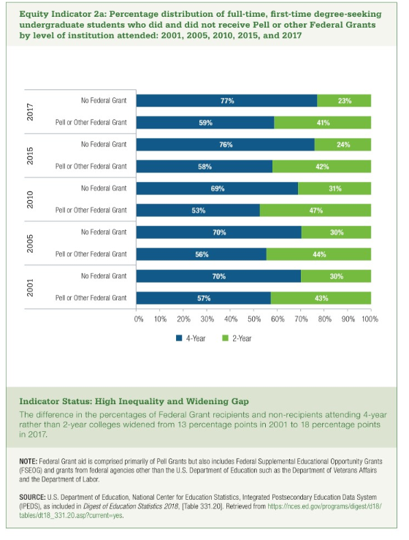
 | 2001 |  | 2005 |  | 2010 |  | 2015 |  | 2017
 | Pell or Other Federal Grant | No Federal Grant | Pell or Other Federal Grant | No Federal Grant | Pell or Other Federal Grant | No Federal Grant | Pell or Other Federal Grant | No Federal Grant | Pell or Other Federal Grant | No Federal Grant
4-Year | 57% | 70% | 56% | 70% | 53% | 69% | 58% | 76% | 59% | 77%
2-Year | 43% | 30% | 44% | 30% | 47% | 31% | 42% | 24% | 41% | 23%

