2020 Indi 1k(vi) Chart
 | Dependent | Independent
Worked 35 Hours Or More Per Week | 10% | 41%
Delayed Enrollment | 17% | 54%
Enrolled Part-Time | 45% | 80%
Have Children |  | 43%
Single Parent |  | 28%
Worked 35 Hours Or More Per Week | 21% | 58%
Delayed Enrollment | 24% | 67%
Enrolled Part-Time | 43% | 81%
Have Children |  | 53%
Single Parent |  | 24%

2020 Indi k(vi) Data&Image
Equity Indicator 1k(vi): Percentage of undergraduate students with college completion risk characteristics by dependency status: 2000 and 2016

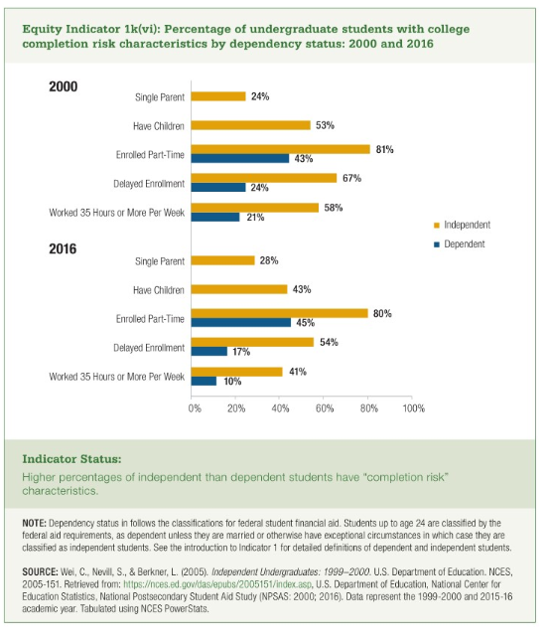
 | Dependent | Independent
Worked 35 Hours Or More Per Week | 10% | 41%
Delayed Enrollment | 17% | 54%
Enrolled Part-Time | 45% | 80%
Have Children |  | 43%
Single Parent |  | 28%

Worked 35 Hours Or More Per Week | 21% | 58%
Delayed Enrollment | 24% | 67%
Enrolled Part-Time | 43% | 81%
Have Children |  | 53%
Single Parent |  | 24%

