2020 Indi 1k(v) Chart
 | 2012 | 2016
Dependent | 37% | 39%
Independent without Dependents | 46% | 41%
Independent with Dependents | 64% | 59%

2020 Indi 1k(v) Data&Image
Equity Indicator 1k(v): Percentage of undergraduate students who received Pell Grants by dependency status: 2012 and 2016

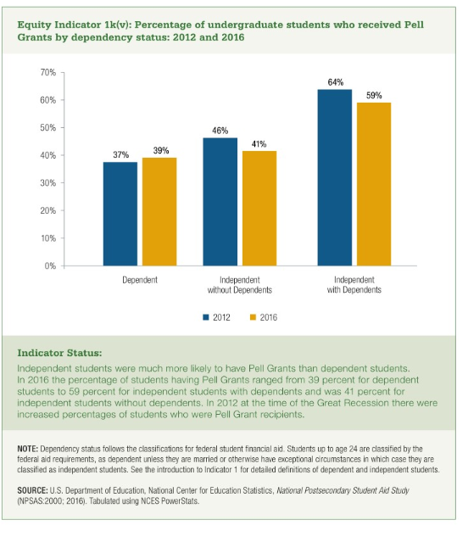
 | 2012 | 2016
Dependent | 37% | 39%
Independent without Dependents | 46% | 41%
Independent with Dependents | 64% | 59%

