2020 Indi 1K(iv) Chart
 | 2000 Independent | 2016 Independent
White | 48% | 48%
Black or African American | 62% | 60%
Hispanic or Latino | 54% | 47%
Asian | 48% | 43%
American Indian or Alaska Native | 66% | 62%
Native Hawaiian/other Pacific Islander | 48% | 61%
More than one race | 48% | 48%

2020 Indi 1k(iv) Data & Image
Equity Indicator 1k (iv): Percentage of full-time undergraduate students who are independent by race/ethnicity: 2000 and 2016

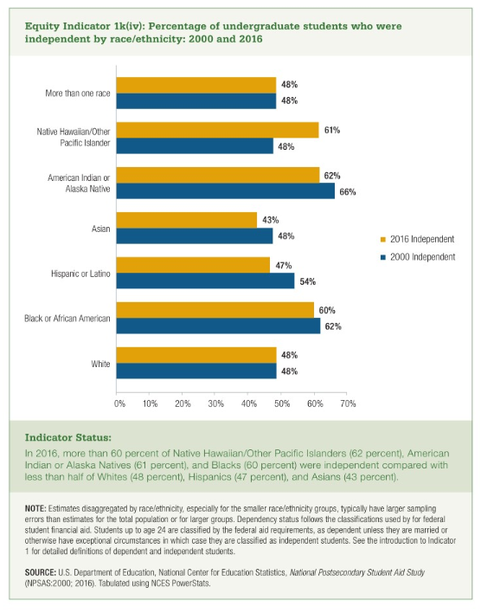
 | White | Black or African American | Hispanic or Latino | Asian | American Indian or Alaska Native | Native Hawaiian/other Pacific Islander | More than one race
2000 Independent | 48% | 62% | 54% | 48% | 66% | 48% | 48%
2016 Independent | 48% | 60% | 47% | 43% | 62% | 61% | 48%

