2020 Indi 1K(iii) Chart
 | White | Black or African American | Hispanic or Latino | Asian | American Indian or Alaska Native | Native Hawaiian/Other Pacific Islander | More Than One Race
2000 Independent | 64% | 15% | 12% | 5% | 1% | 1% | 2%
2016 Independent | 51% | 19% | 19% | 6% | 1% | 1% | 3%
2000 Dependent | 71% | 9% | 11% | 6% | 1% | 1% | 2%
2016 Dependent | 54% | 12% | 21% | 8% | 1% | 0% | 3%

2020 Indi 1K(iii) Data&Image
Equity Indicator 1k (iii): Percentage distribution of race/ethnicity of full-time undergraduate students by dependency status: 2000 and 2016

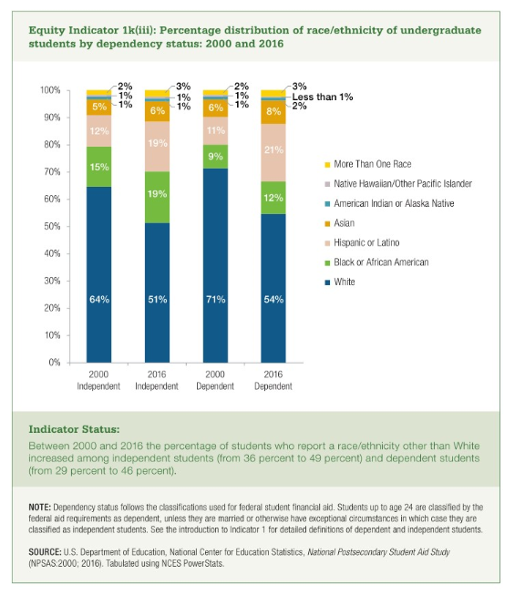
 | White | Black or African American | Hispanic or Latino | Asian | American Indian or Alaska Native | Native Hawaiian/Other Pacific Islander | More Than One Race
2000 Independent | 64% | 15% | 12% | 5% | 1% | 1% | 2%
2016 Independent | 51% | 19% | 19% | 6% | 1% | 1% | 3%
2000 Dependent | 71% | 9% | 11% | 6% | 1% | 1% | 2%
2016 Dependent | 54% | 12% | 21% | 8% | 1% | 0% | 3%

