2020 Indi 1k(ii) Chart 2
 | Under 24 years | 24-29 Years | 30 -39 Years | 40 Years or Older
2000 Dependent | 100%
2000 Independent | 16% | 33% | 27% | 24%
2016 Dependent | 100%
2016 Independent | 17% | 37% | 27% | 19%

2020 Indi 1K(ii) Data & Image
Equity Indicator 1K(ii): Percentage distribution of full-time students in age bracket by dependency status: 2000 and 2016

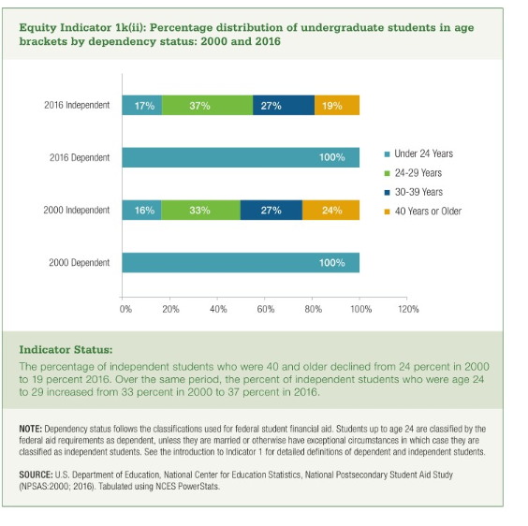
 | Under 24 years | 24-29 Years | 30 -39 Years | 40 Years or Older
2000 Dependent | 100%
2000 Independent | 16% | 33% | 27% | 24%
2016 Dependent | 100%
2016 Independent | 17% | 37% | 27% | 19%

