2020 Indi 1k Chart
 | Dependent | Independent Without Dependents | Independent With Dependents
1996 | 0.494 | 0.506
2000 | 0.496 | 0.504
2004 | 0.505358 | 0.224648 | 0.269994
2008 | 0.513047 | 0.222896 | 0.264057
2012 | 0.487117 | 0.237853 | 0.275029
2016 | 0.506963 | 0.254511 | 0.238527

2020 Indi 1k Data & Image
Equity Indicator 1k (i): Percentage distribution of the dependency status of undergraduate students: 1996 to 2016

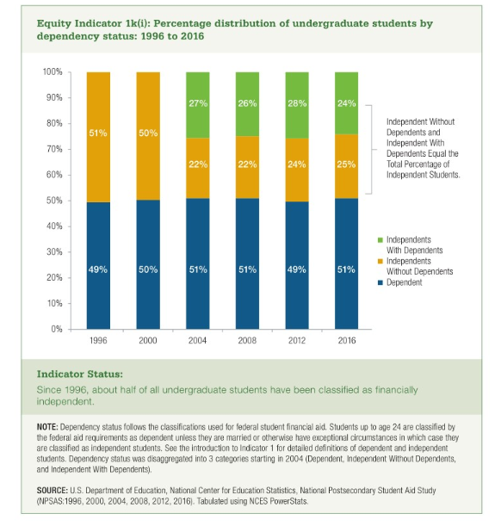
 | Dependent | Independent Without Dependent | Independent With Dependents
1996 | 49% | 51%
2000 | 50% | 50%
2004 | 51% | 22% | 27%
2008 | 51% | 22% | 26%
2012 | 49% | 24% | 28%
2016 | 51% | 25% | 24%

