2020 Indicator 1j(iii) Chart
 | White | Black
Alaska | 32%
Hawaii | 24%
Idaho | 36%
Montana | 34%
New Hampshire | 44%
North Dakota | 44%
South Dakota | 45%
Vermont | 42%
Wyoming | 36%
Nevada | 32% | 0.2
Wisconsin | 47% | 0.2
Iowa | 45% | 0.3
Kentucky | 38% | 0.3
Nebraska | 46% | 0.3
Illinois | 47% | 0.3
Washington | 34% | 0.3
Indiana | 43% | 0.3
Oklahoma | 39% | 0.3
Tennessee | 39% | 0.3
Missouri | 41% | 0.3
Arkansas | 38% | 0.3
South Carolina | 46% | 0.3
Louisiana | 43% | 0.3
Michigan | 48% | 0.3
Ohio | 42% | 0.3
Kansas | 42% | 0.4
North Carolina | 43% | 0.4
Georgia | 42% | 0.4
Texas | 41% | 0.4
Colorado | 45% | 0.4
Pennsylvania | 45% | 0.4
Alabama | 41% | 0.4
United States | 43% | 0.4
Virginia | 48% | 0.4
New Jersey | 48% | 0.4
Mississippi | 45% | 0.4
Arizona | 44% | 0.4
Florida | 45% | 0.4
Utah | 45% | 0.4
District of Columbia | 69% | 0.4
Minnesota | 44% | 0.4
Maryland | 47% | 0.4
New York | 50% | 0.4
Connecticut | 52% | 0.4
California | 51% | 0.4
New Mexico | 38% | 0.4
West Virginia | 37% | 0.5
Delaware | 50% | 0.5
Massachusetts | 53% | 0.5
...

2020Indicator 1j(iii)Data&Image
Equity Indicator 1j(iii): Percentage of Black and White 18- to 24- year-olds enrolled in degree-granting postsecondary institutions by state: 2018

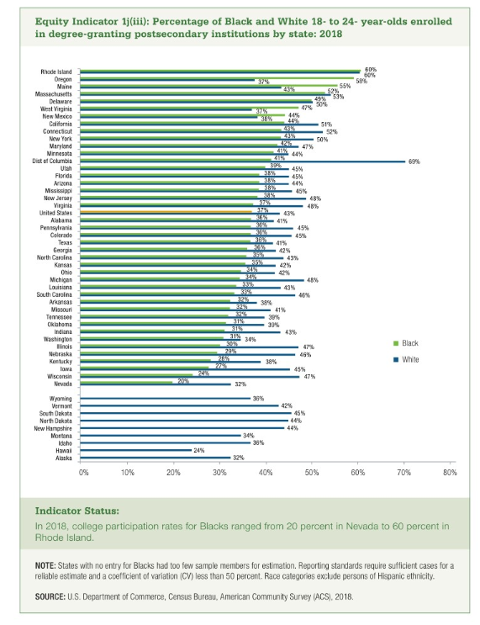
 | White | Black
Alaska | 32%
Hawaii | 24%
Idaho | 36%
Montana | 34%
New Hampshire | 44%
North Dakota | 44%
South Dakota | 45%
Vermont | 42%
Wyoming | 36%

Nevada | 32% | 20%
Wisconsin | 47% | 24%
Iowa | 45% | 27%
Kentucky | 38% | 28%
Nebraska | 46% | 29%
Illinois | 47% | 30%
Washington | 34% | 31%
Indiana | 43% | 31%
Oklahoma | 39% | 31%
Tennessee | 39% | 32%
Missouri | 41% | 32%
Arkansas | 38% | 32%
South Carolina | 46% | 33%
Louisiana | 43% | 33%
Michigan | 48% | 34%
Ohio | 42% | 34%
Kansas | 42% | 35%
North Carolina | 43% | 35%
Georgia | 42% | 36%
Texas | 41% | 36%
Colorado | 45% | 36%
Pennsylvania | 45% | 36%
Alabama | 41% | 36%
United States | 43% | 37%
Virginia | 48% | 37%
New Jersey | 48% | 38%
Mississippi | 45% | 38%
Arizona | 44% | 38%
Florida | 45% | 38%
Utah | 45% | 39%
District of Columbia | 69% | 41%
Minnesota | 44% | 41%
Maryland | 47% | 42%
New York | 50% | 43%
Connecticut | 52% | 43%
California | 51% | 44%
New Mexico | 38% | 44%
West Virginia | 37% | 47%
Delaware | 50% | 49%
Massachusetts | 53% | 52%
Maine | 43% | 55%
Oregon | 37% | 58%
Rhode Island | 60% | 60%

