2020Indicator 1j(ii)
 | White | Hispanic
Alaska | 32%
Maine | 43%
South Dakota | 45%
Vermont | 42%
Wyoming | 36% | 0.15621377978
Montana | 34% | 0.2201810077
Alabama | 41% | 0.23058091286
Hawaii | 24% | 0.23552229021
Georgia | 42% | 0.24538478404
Idaho | 36% | 0.25377015081
North Carolina | 43% | 0.26858937651
United States | 43% | 0.27312341392
Utah | 45% | 0.27312341392
Missouri | 41% | 0.28178536466
Nevada | 32% | 0.28224401414
Washington | 34% | 0.2850669699
North Dakota | 44% | 0.28576982893
Ohio | 42% | 0.29240999335
Colorado | 45% | 0.29576017669
Oklahoma | 39% | 0.29753973276
Kansas | 42% | 0.30548931051
West Virginia | 37% | 0.30600461894
New Mexico | 38% | 0.31093910113
Arkansas | 38% | 0.31214207799
Pennsylvania | 45% | 0.31316884272
Delaware | 50% | 0.31596984236
Arizona | 44% | 0.3159861557
Maryland | 47% | 0.32908286017
Virginia | 48% | 0.32924047306
South Carolina | 46% | 0.3307677926
Texas | 41% | 0.33314840478
Minnesota | 44% | 0.33582893185
Oregon | 37% | 0.340921363
Tennessee | 39% | 0.34592879103
Kentucky | 38% | 0.34685954369
Mississippi | 45% | 0.35257835473
Connecticut | 52% | 0.36129307282
Indiana | 43% | 0.36542700704
Louisiana | 43% | 0.37480559876
Illinois | 47% | 0.37864476068
Iowa | 45% | 0.38366499394
Nebraska | 46% | 0.38773479288
New Jersey | 48% | 0.39099892462
Massachusetts | 53% | 0.39298182199
Michigan | 48% | 0.39696821516
New York | 50% | 0.39868392391
Florida | 45% | 0.40361106799
Wisconsin | 47% | 0.40533886753
California | 51% | 0.42674182449
...

2020Indicator 1j(ii) Data & Ima
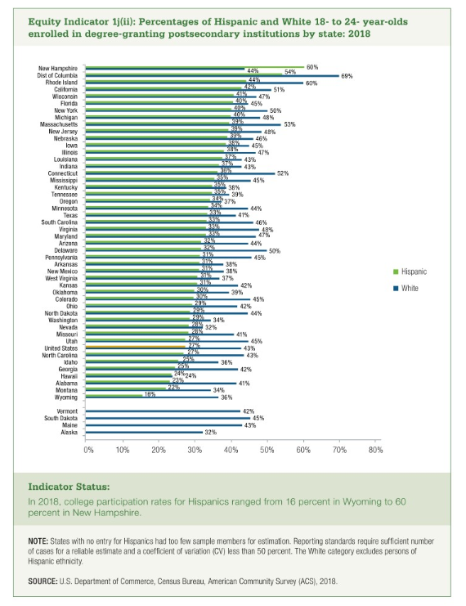
Equity Indicator 1j(ii): Percentages of Hispanic and White 18- to 24 –year-olds enrolled in degree-granting postsecondary institutions by state: 2018
 | White | Hispanic
Alaska | 32%
Maine | 43%
South Dakota | 45%
Vermont | 42%

Wyoming | 36% | 16%
Montana | 34% | 22%
Alabama | 41% | 23%
Hawaii | 24% | 24%
Georgia | 42% | 25%
Idaho | 36% | 25%
North Carolina | 43% | 27%
United States | 43% | 27%
Utah | 45% | 27%
Missouri | 41% | 28%
Nevada | 32% | 28%
Washington | 34% | 29%
North Dakota | 44% | 29%
Ohio | 42% | 29%
Colorado | 45% | 30%
Oklahoma | 39% | 30%
Kansas | 42% | 31%
West Virginia | 37% | 31%
New Mexico | 38% | 31%
Arkansas | 38% | 31%
Pennsylvania | 45% | 31%
Delaware | 50% | 32%
Arizona | 44% | 32%
Maryland | 47% | 33%
Virginia | 48% | 33%
South Carolina | 46% | 33%
Texas | 41% | 33%
Minnesota | 44% | 34%
Oregon | 37% | 34%
Tennessee | 39% | 35%
Kentucky | 38% | 35%
Mississippi | 45% | 35%
Connecticut | 52% | 36%
Indiana | 43% | 37%
Louisiana | 43% | 37%
Illinois | 47% | 38%
Iowa | 45% | 38%
Nebraska | 46% | 39%
New Jersey | 48% | 39%
Massachusetts | 53% | 39%
Michigan | 48% | 40%
New York | 50% | 40%
Florida | 45% | 40%
Wisconsin | 47% | 41%
California | 51% | 43%
Rhode Island | 60% | 44%
District of Columbia | 69% | 54%
New Hampshire | 44% | 60%

