2020 Indicator 1j(i) Chart
 | 2018 18 to 24 Year Old Enrollment
Alaska | 29%
Nevada | 31%
Montana | 33%
New Mexico | 33%
Wyoming | 34%
Idaho | 34%
Hawaii | 35%
Washington | 35%
Oklahoma | 37%
Arkansas | 37%
Kentucky | 37%
Tennessee | 37%
West Virginia | 38%
Texas | 38%
Arizona | 39%
Georgia | 39%
Oregon | 39%
Louisiana | 39%
Alabama | 39%
North Carolina | 39%
Missouri | 40%
South Dakota | 40%
Kansas | 41%
Ohio | 41%
South Carolina | 41%
Utah | 41%
Colorado | 41%
Indiana | 42%
Mississippi | 42%
North Dakota | 42%
Florida | 43%
United States | 43%
Maine | 43%
Illinois | 43%
Minnesota | 44%
Nebraska | 44%
Pennsylvania | 44%
Iowa | 44%
Vermont | 44%
Wisconsin | 45%
Virginia | 45%
Maryland | 45%
Michigan | 46%
New Hampshire | 46%
New Jersey | 46%
New York | 48%
Connecticut | 48%
California | 49%
Delaware | 49%
Massachusetts | 53%
...

2020Indicator 1j(i) Data&Image
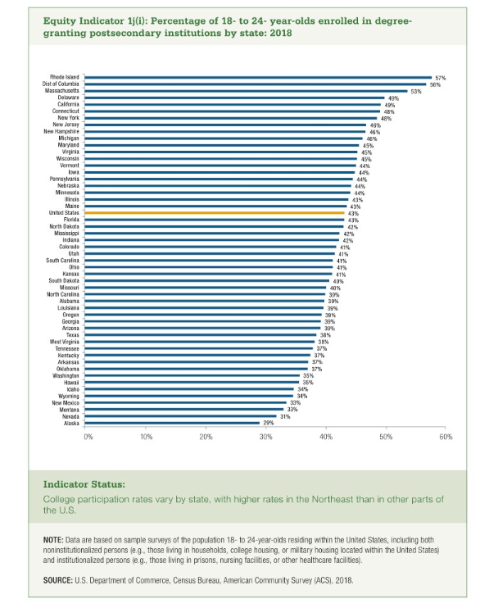
Equity Indicator 1j(i): Percentage of 18- to 24- year-olds enrolled in degree-granting postsecondary institutions by state: 2018
 | 2018 18 to 24 Year Old Enrollment
Alaska | 29%
Nevada | 31%
Montana | 33%
New Mexico | 33%
Wyoming | 34%
Idaho | 34%
Hawaii | 35%
Washington | 35%
Oklahoma | 37%
Arkansas | 37%
Kentucky | 37%
Tennessee | 37%
West Virginia | 38%
Texas | 38%
Arizona | 39%
Georgia | 39%
Oregon | 39%
Louisiana | 39%
Alabama | 39%
North Carolina | 39%
Missouri | 40%
South Dakota | 40%
Kansas | 41%
Ohio | 41%
South Carolina | 41%
Utah | 41%
Colorado | 41%
Indiana | 42%
Mississippi | 42%
North Dakota | 42%
Florida | 43%
United States | 43%
Maine | 43%
Illinois | 43%
Minnesota | 44%
Nebraska | 44%
Pennsylvania | 44%
Iowa | 44%
Vermont | 44%
Wisconsin | 45%
Virginia | 45%
Maryland | 45%
Michigan | 46%
New Hampshire | 46%
New Jersey | 46%
New York | 48%
Connecticut | 48%
California | 49%
Delaware | 49%
Massachusetts | 53%
District of Columbia | 56%
Rhode Island | 57%

