2020 Indicator 1i(i) Chart
 | 2018
Alaska | 11.3%
New Mexico | 21.4%
Oklahoma | 21.7%
Wyoming | 22.8%
Kentucky | 23.1%
Texas | 23.3%
West Virginia | 23.7%
Idaho | 24.5%
Nevada | 24.7%
Utah | 25.1%
Washington | 26.4%
Arkansas | 26.9%
Arizona | 27.0%
Dist of Columbia | 27.2%
Louisiana | 27.5%
Oregon | 27.8%
Kansas | 28.7%
Hawaii | 28.8%
Tennessee | 28.9%
Montana | 28.9%
South Dakota | 29.3%
Alabama | 29.5%
Delaware | 29.9%
Indiana | 30.3%
Missouri | 30.6%
South Carolina | 30.7%
Georgia | 30.8%
Mississippi | 31.3%
Illinois | 31.8%
Ohio | 32.3%
United States | 32.7%
North Carolina | 33.0%
California | 33.5%
Colorado | 34.2%
North Dakota | 34.5%
Michigan | 35.1%
Wisconsin | 36.4%
Maine | 36.7%
Iowa | 37.0%
Nebraska | 37.6%
Vermont | 38.1%
Virginia | 38.3%
Pennsylvania | 39.8%
Florida | 40.1%
Minnesota | 40.8%
Maryland | 42.1%
Rhode Island | 44.8%
New Hampshire | 45.0%
Massachusetts | 46.4%
Connecticut | 47.5%
...

2020Indicator 1i(i) Data&Im
Equity Indicator 1i(i): Estimated college participation rates for students from low-income families by state: 2018

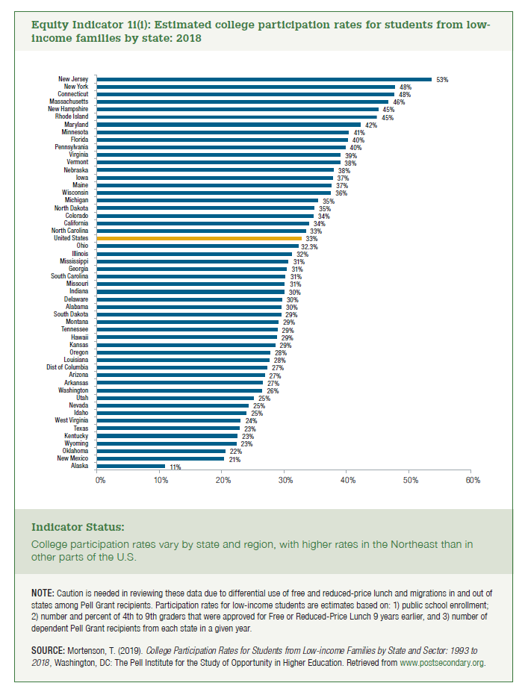
 | 2018
Alaska | 11.3%
New Mexico | 21.4%
Oklahoma | 21.7%
Wyoming | 22.8%
Kentucky | 23.1%
Texas | 23.3%
West Virginia | 23.7%
Idaho | 24.5%
Nevada | 24.7%
Utah | 25.1%
Washington | 26.4%
Arkansas | 26.9%
Arizona | 27.0%
Dist of Columbia | 27.2%
Louisiana | 27.5%
Oregon | 27.8%
Kansas | 28.7%
Hawaii | 28.8%
Tennessee | 28.9%
Montana | 28.9%
South Dakota | 29.3%
Alabama | 29.5%
Delaware | 29.9%
Indiana | 30.3%
Missouri | 30.6%
South Carolina | 30.7%
Georgia | 30.8%
Mississippi | 31.3%
Illinois | 31.8%
Ohio | 32.3%
United States | 32.7%
North Carolina | 33.0%
California | 33.5%
Colorado | 34.2%
North Dakota | 34.5%
Michigan | 35.1%
Wisconsin | 36.4%
Maine | 36.7%
Iowa | 37.0%
Nebraska | 37.6%
Vermont | 38.1%
Virginia | 38.3%
Pennsylvania | 39.8%
Florida | 40.1%
Minnesota | 40.8%
Maryland | 42.1%
Rhode Island | 44.8%
New Hampshire | 45.0%
Massachusetts | 46.4%
Connecticut | 47.5%
New York | 48.1%
New Jersey | 53.0%

