2020 Indicator 1g(ii) Chart
 | Attended
First (Lowest) SES Quintile | 53%
Second SES Quintile | 60%
Third SES Quintile | 66%
Fourth SES Quintile | 79%
Fifth (Highest) SES Quintile | 92%
Amer. Indian/Alaska Native | 47%
Black/African-American | 62%
Native Hawaiian/Pacific Islander | 64%
Hispanic | 66%
More than One race | 70%
White | 73%
Asian | 84%

2020 Indi 1g(ii) Data&Image
Equity Indicator 1g(ii): Percent of 2009 9th graders who ever attended college within 3 years after scheduled high school graduation by race/ethnicity and by parents’ socioeconomic status (SES): High School Longitudinal Study (HSLS:2009/2016)

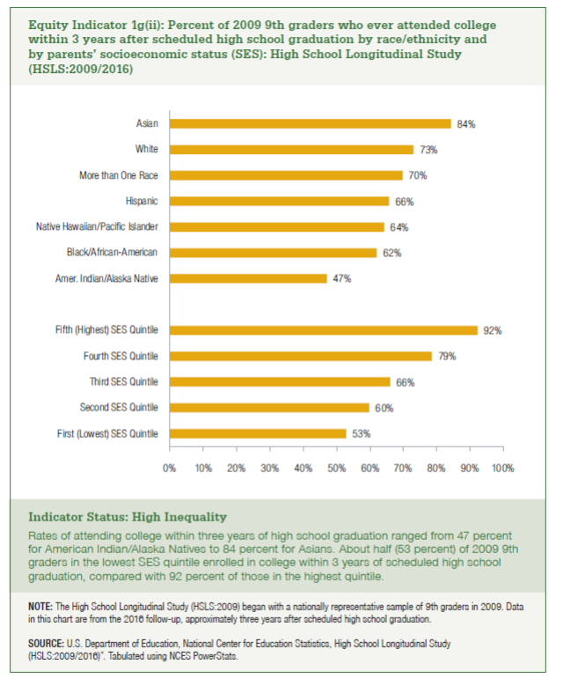
 | Attended | Did Not Attend
First (Lowest) SES Quintile | 53% | 47%
Second SES Quintile | 60% | 40%
Third SES Quintile | 66% | 34%
Fourth SES Quintile | 79% | 21%
Fifth (Highest) SES Quintile | 92% | 8%

Amer. Indian/Alaska Native | 47% | 53%
Black/African-American | 62% | 38%
Native Hawaiian/Pacific Islander | 64% | 36%
Hispanic | 66% | 34%
More than One race | 70% | 30%
White | 73% | 27%
Asian | 84% | 16%

