2020 Indicator 1f Chart
 | Lowest SES Quartile | Middle Two SES Quartiles | Highest SES Quartile
HS&B (1980/1992) | 52% | 31% | 12%
NELS: (1988/2000) | 48% | 23% | 4%
ELS: (2002/2012) | 28% | 15% | 4%

2020 Indicator 1f Data&Image
Equity Indicator 1f: Percentage of young adults who reported no postsecondary enrollment within 8 or 10 years of expected high school graduation by parents’ socioeconomic status (SES): High School Longitudinal Studies (HS&B:1980/1992; NELS:1988/2000; ELS:2002/2012)

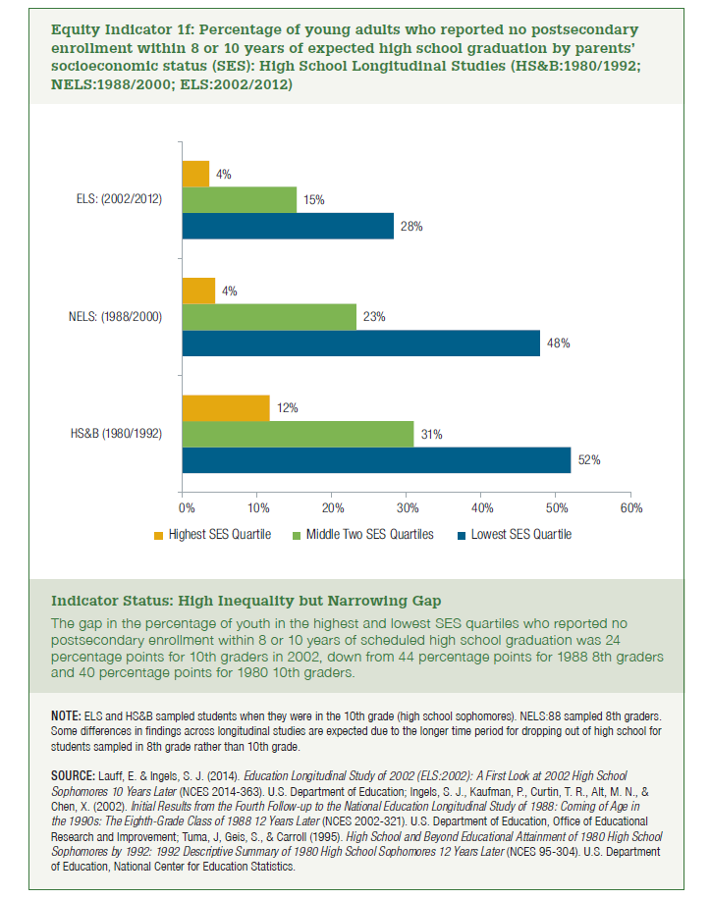
SES | HS&B (1980/1992) | NELS: (1988/2000) | ELS: (2002/2012)
Lowest SES Quartile | 52% | 48% | 28%
Middle Two SES Quartiles | 31% | 23% | 15%
Highest SES Quartile | 12% | 4% | 4%

