2020 Indicator 1d(ii) Chart
 | Asian | Black | Hispanic | White
First (Lowest) Income Quartile | 90% | 63% | 65% | 59%
Second Income Quartile | 79% | 70% | 64% | 64%
Third Income Quartile | 93% | 66% | 74% | 78%
Fourth (Highest) Income Quartile | 91% | 83% | 83% | 84%

2020Indicator 1d(ii) Data&Image
Equity Indicator 1d(ii): High School Graduates College Continuation Rates by race/ethnicity and family income quartiles: 2018

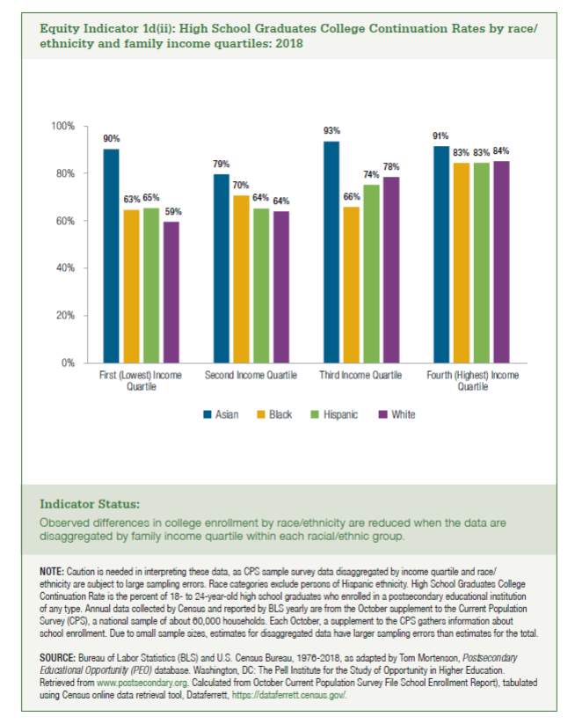
Race/Ethnicity | First (Lowest) Income Quartile | Second Income Quartile | Third Income Quartile | Fourth (Highest) Income Quartile | All
Asian | 90% | 79% | 93% | 91% | 88%
Black | 63% | 70% | 66% | 83% | 68%
Hispanic | 65% | 64% | 74% | 83% | 69%
White | 59% | 64% | 78% | 84% | 74%

