2020 Indicator 1d(i) Chart
 | Asian | White | Hispanic | Black
1976 |  | 50% | 54% | 45%
1977 |  | 50% | 49% | 47%
1978 |  | 50% | 46% | 48%
1979 |  | 50% | 46% | 45%
1980 |  | 52% | 50% | 44%
1981 |  | 52% | 49% | 40%
1982 |  | 54% | 49% | 39%
1983 |  | 56% | 47% | 38%
1984 |  | 58% | 49% | 40%
1985 |  | 59% | 46% | 40%
1986 |  | 58% | 42% | 43%
1987 |  | 59% | 45% | 44%
1988 |  | 60% | 49% | 50%
1989 | 81% | 62% | 53% | 48%
1990 | 81% | 63% | 52% | 49%
1991 | 81% | 64% | 53% | 47%
1992 | 81% | 64% | 58% | 50%
1993 | 83% | 64% | 56% | 51%
1994 | 82% | 64% | 55% | 52%
1995 | 83% | 65% | 52% | 53%
1996 | 83% | 67% | 58% | 55%
1997 | 83% | 68% | 55% | 59%
1998 | 84% | 68% | 52% | 60%
1999 | 81% | 67% | 47% | 59%
2000 | 81% | 65% | 49% | 56%
2001 | 78% | 66% | 53% | 56%
2002 | 72% | 67% | 55% | 57%
2003 | 74% | 68% | 58% | 60%
2004 | 82% | 69% | 58% | 59%
2005 | 81% | 70% | 58% | 58%
2006 | 85% | 70% | 58% | 56%
2007 | 86% | 70% | 62% | 56%
2008 | 90% | 71% | 62% | 60%
2009 | 88% | 71% | 61% | 62%
2010 | 87% | 70% | 62% | 66%
2011 | 84% | 68% | 66% | 62%
2012 | 82% | 68% | 66% | 60%
2013 | 84% | 67% | 65% | 61%
2014 | 84% | 69% | 65% | 61%
2015 | 88% | 70% | 69% | 61%
2016 | 87% | 71% | 71% | 56%
2017 | 90% | 71% | 71% | 64%
2018 | 88% | 74% | 69% | 68%

2020Indicator 1d(i) Data&Image
Equity Indicator 1d(i): High School Graduates College Continuation Rates by race/ethnicity: 1976 to 2018

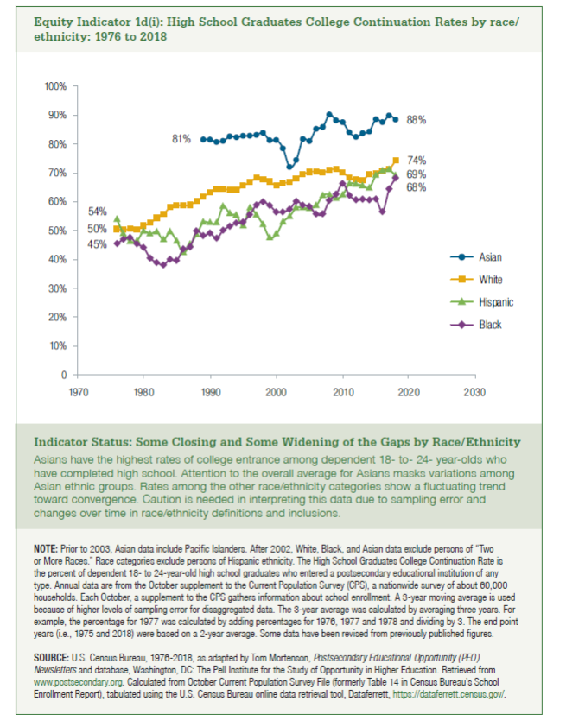
Year | Asian | White | Hispanic | Black
1976 |  | 50% | 54% | 45%
1977 |  | 50% | 49% | 47%
1978 |  | 50% | 46% | 48%
1979 |  | 50% | 46% | 45%
1980 |  | 52% | 50% | 44%
1981 |  | 52% | 49% | 40%
1982 |  | 54% | 49% | 39%
1983 |  | 56% | 47% | 38%
1984 |  | 58% | 49% | 40%
1985 |  | 59% | 46% | 40%
1986 |  | 58% | 42% | 43%
1987 |  | 59% | 45% | 44%
1988 |  | 60% | 49% | 50%
1989 | 81% | 62% | 53% | 48%
1990 | 81% | 63% | 52% | 49%
1991 | 81% | 64% | 53% | 47%
1992 | 81% | 64% | 58% | 50%
1993 | 83% | 64% | 56% | 51%
1994 | 82% | 64% | 55% | 52%
1995 | 83% | 65% | 52% | 53%
1996 | 83% | 67% | 58% | 55%
1997 | 83% | 68% | 55% | 59%
1998 | 84% | 68% | 52% | 60%
1999 | 81% | 67% | 47% | 59%
2000 | 81% | 65% | 49% | 56%
2001 | 78% | 66% | 53% | 56%
2002 | 72% | 67% | 55% | 57%
2003 | 74% | 68% | 58% | 60%
2004 | 82% | 69% | 58% | 59%
2005 | 81% | 70% | 58% | 58%
2006 | 85% | 70% | 58% | 56%
2007 | 86% | 70% | 62% | 56%
2008 | 90% | 71% | 62% | 60%
2009 | 88% | 71% | 61% | 62%
2010 | 87% | 70% | 62% | 66%
2011 | 84% | 68% | 66% | 62%
2012 | 82% | 68% | 66% | 60%
2013 | 84% | 67% | 65% | 61%
2014 | 84% | 69% | 65% | 61%
2015 | 88% | 70% | 69% | 61%
2016 | 87% | 71% | 71% | 56%
2017 | 90% | 71% | 71% | 64%
2018 | 88% | 74% | 69% | 68%

