2020 Indicator 1c(ii)
 | Asian | Black | Hispanic | White
First (Lowest) Income Quartile | 81% | 49% | 51% | 47%
Second Income Quartile | 71% | 61% | 54% | 55%
Third Income Quartile | 87% | 57% | 64% | 69%
Fourth (Highest) Income Quartile | 85% | 74% | 76% | 75%

2020Indicator 1c(ii) Data&Image
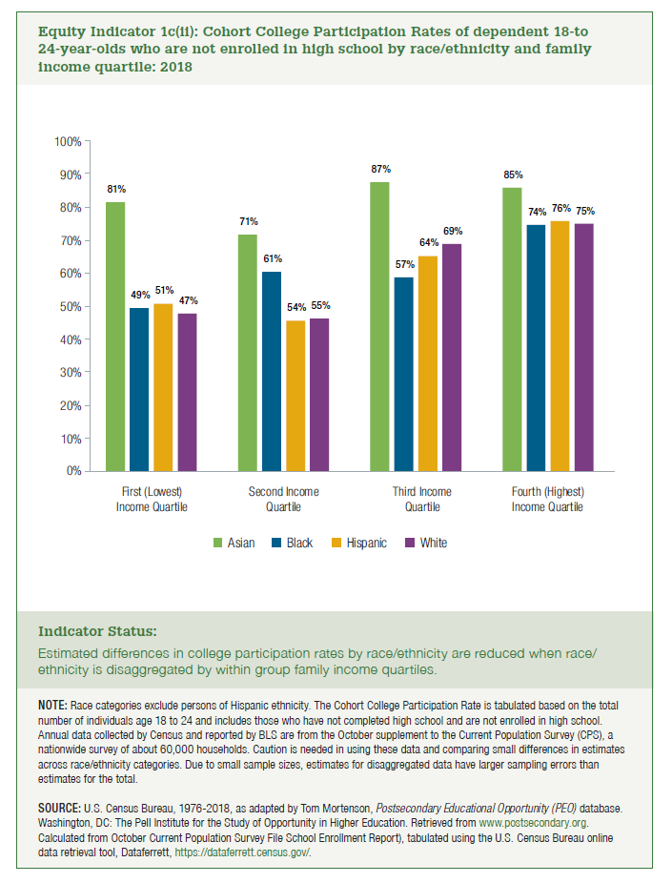
Equity Indicator 1c(ii): Cohort College Participation Rates of recent high school leavers by race/ethnicity and family income quartile: 2018
2017
 | First (Lowest) Income Quartile | Second Income Quartile | Third Income Quartile | Fourth (Highest) Income Quartile
Asian | 88% | 77% | 87% | 93% | 86%
Black | 47% | 47% | 73% | 81% | 62%
Hispanic | 46% | 58% | 62% | 74% | 60%
White | 45% | 55% | 68% | 78% | 62%

2018
 | First (Lowest) Income Quartile | Second Income Quartile | Third Income Quartile | Fourth (Highest) Income Quartile
Asian | 81% | 71% | 87% | 85% | 81%
Black | 49% | 61% | 57% | 74% | 60%
Hispanic | 51% | 54% | 64% | 76% | 61%
White | 47% | 55% | 69% | 75% | 62%

