2020 Indicator 1b Chart
 | Fourth (Highest) Income Quartile | Third Income Quartile | Second Income Quartile | First (Lowest) Income Quartile
1970 | 79% | 64% | 56% | 46%
1971 | 77% | 62% | 57% | 47%
1972 | 74% | 64% | 56% | 45%
1973 | 72% | 64% | 54% | 44%
1974 | 74% | 60% | 52% | 44%
1975 | 75% | 63% | 54% | 47%
1976 | 76% | 65% | 56% | 45%
1977 | 76% | 60% | 54% | 46%
1978 | 71% | 62% | 52% | 45%
1979 | 67% | 61% | 52% | 45%
1980 | 69% | 63% | 53% | 42%
1981 | 69% | 67% | 53% | 43%
1982 | 72% | 62% | 52% | 42%
1983 | 74% | 63% | 52% | 42%
1984 | 72% | 66% | 54% | 40%
1985 | 76% | 67% | 53% | 41%
1986 | 77% | 65% | 54% | 42%
1987 | 79% | 67% | 61% | 46%
1988 | 80% | 70% | 59% | 48%
1989 | 78% | 68% | 59% | 48%
1990 | 79% | 70% | 61% | 48%
1991 | 83% | 74% | 64% | 47%
1992 | 86% | 76% | 66% | 56%
1993 | 89% | 79% | 66% | 54%
1994 | 87% | 77% | 66% | 56%
1995 | 90% | 76% | 68% | 56%
1996 | 86% | 75% | 71% | 58%
1997 | 89% | 77% | 71% | 58%
1998 | 88% | 77% | 70% | 59%
1999 | 86% | 77% | 70% | 57%
2000 | 82% | 76% | 67% | 54%
2001 | 84% | 77% | 68% | 56%
2002 | 83% | 80% | 70% | 57%
2003 | 88% | 77% | 70% | 59%
2004 | 89% | 78% | 69% | 56%
2005 | 87% | 80% | 71% | 59%
2006 | 88% | 76% | 69% | 56%
2007 | 87% | 79% | 72% | 57%
2008 | 87% | 79% | 69% | 58%
2009 | 90% | 78% | 70% | 59%
2010 | 88% | 77% | 70% | 64%
2011 | 90% | 78% | 71% | 62%
2012 | 89% | 78% | 72% | 62%
2013 | 86% | 77% | 69% | 60%
2014 | 87% | 77% | 69% | 60%
2015 | 86% | 76% | 68% | 61%
2016 | 87% | 79% | 68% | 61%
2017 | 87% | 77% | 65% | 63%
2018 | 84% | 77% | 66% | 65%

2020 Indicator 1b Data&Image
Equity Indicator 1b: High School Graduates College Continuation Rates by family income quartile: 1970 to 2018

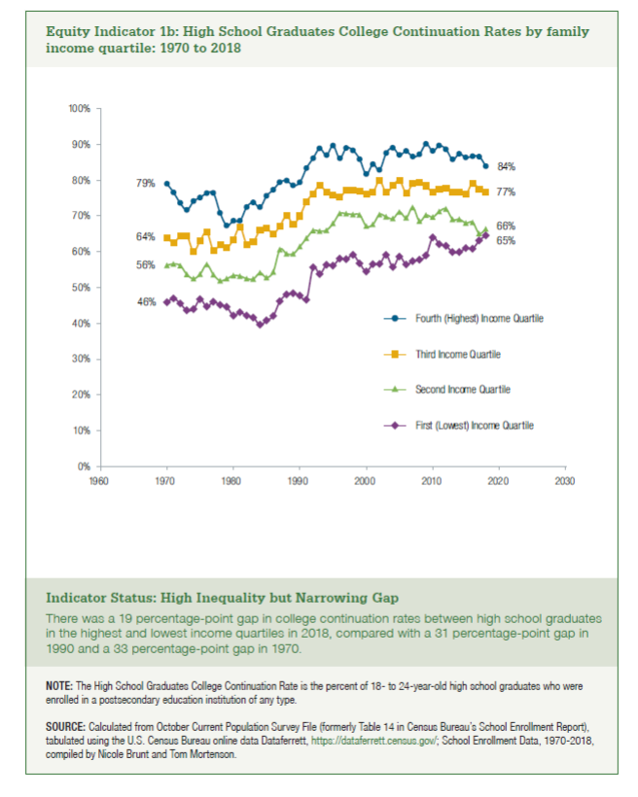
Year | Fourth (Highest) Income Quartile | Third Income Quartile | Second Income Quartile | First (Lowest) Income Quartile
1970 | 79% | 64% | 56% | 46%
1971 | 77% | 62% | 57% | 47%
1972 | 74% | 64% | 56% | 45%
1973 | 72% | 64% | 54% | 44%
1974 | 74% | 60% | 52% | 44%
1975 | 75% | 63% | 54% | 47%
1976 | 76% | 65% | 56% | 45%
1977 | 76% | 60% | 54% | 46%
1978 | 71% | 62% | 52% | 45%
1979 | 67% | 61% | 52% | 45%
1980 | 69% | 63% | 53% | 42%
1981 | 69% | 67% | 53% | 43%
1982 | 72% | 62% | 52% | 42%
1983 | 74% | 63% | 52% | 42%
1984 | 72% | 66% | 54% | 40%
1985 | 76% | 67% | 53% | 41%
1986 | 77% | 65% | 54% | 42%
1987 | 79% | 67% | 61% | 46%
1988 | 80% | 70% | 59% | 48%
1989 | 78% | 68% | 59% | 48%
1990 | 79% | 70% | 61% | 48%
1991 | 83% | 74% | 64% | 47%
1992 | 86% | 76% | 66% | 56%
1993 | 89% | 79% | 66% | 54%
1994 | 87% | 77% | 66% | 56%
1995 | 90% | 76% | 68% | 56%
1996 | 86% | 75% | 71% | 58%
1997 | 89% | 77% | 71% | 58%
1998 | 88% | 77% | 70% | 59%
1999 | 86% | 77% | 70% | 57%
2000 | 82% | 76% | 67% | 54%
2001 | 84% | 77% | 68% | 56%
2002 | 83% | 80% | 70% | 57%
2003 | 88% | 77% | 70% | 59%
2004 | 89% | 78% | 69% | 56%
2005 | 87% | 80% | 71% | 59%
2006 | 88% | 76% | 69% | 56%
2007 | 87% | 79% | 72% | 57%
2008 | 87% | 79% | 69% | 58%
2009 | 90% | 78% | 70% | 59%
2010 | 88% | 77% | 70% | 64%
2011 | 90% | 78% | 71% | 62%
2012 | 89% | 78% | 72% | 62%
2013 | 86% | 77% | 69% | 60%
2014 | 87% | 77% | 69% | 60%
2015 | 86% | 76% | 68% | 61%
2016 | 87% | 79% | 68% | 61%
2017 | 87% | 77% | 65% | 63%
2018 | 84% | 77% | 66% | 65%

