2020 Indicator 1a Chart
 | Fourth (Highest) Income Quartile | Third Income Quartile | Second Income Quartile | First (Lowest) Income Quartile
1970 | 74% | 57% | 47% | 28%
1971 | 71% | 55% | 46% | 29%
1972 | 68% | 57% | 47% | 29%
1973 | 66% | 58% | 45% | 28%
1974 | 69% | 53% | 42% | 28%
1975 | 70% | 57% | 44% | 30%
1976 | 71% | 58% | 47% | 29%
1977 | 72% | 53% | 44% | 29%
1978 | 65% | 55% | 43% | 29%
1979 | 62% | 55% | 42% | 28%
1980 | 63% | 57% | 44% | 27%
1981 | 63% | 60% | 43% | 27%
1982 | 68% | 56% | 43% | 27%
1983 | 68% | 56% | 42% | 27%
1984 | 68% | 60% | 45% | 26%
1985 | 71% | 60% | 44% | 27%
1986 | 72% | 59% | 44% | 28%
1987 | 75% | 60% | 51% | 31%
1988 | 75% | 63% | 50% | 32%
1989 | 73% | 60% | 49% | 33%
1990 | 75% | 64% | 51% | 32%
1991 | 79% | 68% | 53% | 30%
1992 | 81% | 69% | 55% | 37%
1993 | 84% | 71% | 55% | 37%
1994 | 82% | 69% | 54% | 38%
1995 | 84% | 67% | 56% | 37%
1996 | 81% | 67% | 59% | 39%
1997 | 83% | 69% | 58% | 37%
1998 | 82% | 69% | 57% | 38%
1999 | 78% | 69% | 59% | 38%
2000 | 75% | 69% | 56% | 35%
2001 | 79% | 68% | 54% | 37%
2002 | 76% | 69% | 58% | 38%
2003 | 80% | 67% | 58% | 41%
2004 | 83% | 70% | 57% | 38%
2005 | 81% | 71% | 59% | 40%
2006 | 81% | 67% | 58% | 38%
2007 | 80% | 70% | 60% | 40%
2008 | 81% | 71% | 58% | 41%
2009 | 84% | 70% | 59% | 41%
2010 | 82% | 67% | 58% | 46%
2011 | 82% | 68% | 59% | 44%
2012 | 81% | 68% | 60% | 45%
2013 | 77% | 67% | 58% | 45%
2014 | 80% | 67% | 58% | 45%
2015 | 78% | 68% | 58% | 46%
2016 | 78% | 70% | 59% | 46%
2017 | 78% | 68% | 56% | 48%
2018 | 75% | 67% | 56% | 51%

2020 Indicator 1a Data&images
Equity Indicator 1a: Cohort College Participation Rates by family income quartile for dependent 18-to 24-year-olds: 1970 to 2018

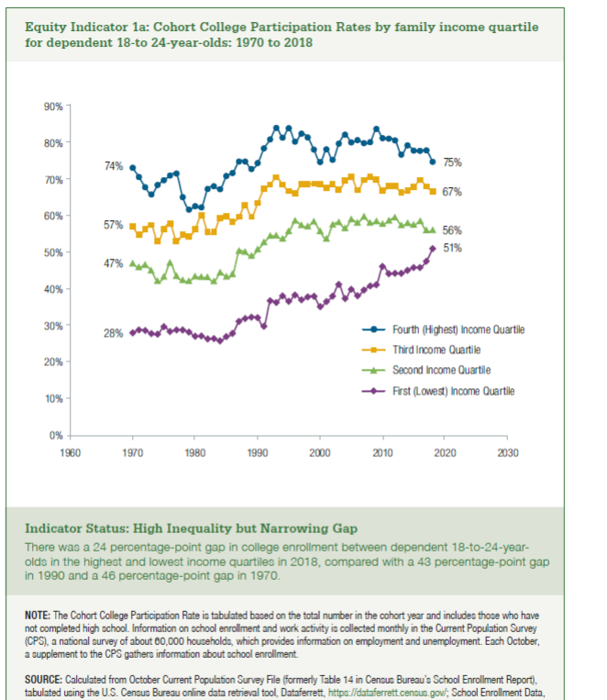
Year | Fourth (Highest) Income Quartile | Third Income Quartile | Second Income Quartile | First (Lowest) Income Quartile
1970 | 74% | 57% | 47% | 28%
1971 | 71% | 55% | 46% | 29%
1972 | 68% | 57% | 47% | 29%
1973 | 66% | 58% | 45% | 28%
1974 | 69% | 53% | 42% | 28%
1975 | 70% | 57% | 44% | 30%
1976 | 71% | 58% | 47% | 29%
1977 | 72% | 53% | 44% | 29%
1978 | 65% | 55% | 43% | 29%
1979 | 62% | 55% | 42% | 28%
1980 | 63% | 57% | 44% | 27%
1981 | 63% | 60% | 43% | 27%
1982 | 68% | 56% | 43% | 27%
1983 | 68% | 56% | 42% | 27%
1984 | 68% | 60% | 45% | 26%
1985 | 71% | 60% | 44% | 27%
1986 | 72% | 59% | 44% | 28%
1987 | 75% | 60% | 51% | 31%
1988 | 75% | 63% | 50% | 32%
1989 | 73% | 60% | 49% | 33%
1990 | 75% | 64% | 51% | 32%
1991 | 79% | 68% | 53% | 30%
1992 | 81% | 69% | 55% | 37%
1993 | 84% | 71% | 55% | 37%
1994 | 82% | 69% | 54% | 38%
1995 | 84% | 67% | 56% | 37%
1996 | 81% | 67% | 59% | 39%
1997 | 83% | 69% | 58% | 37%
1998 | 82% | 69% | 57% | 38%
1999 | 78% | 69% | 59% | 38%
2000 | 75% | 69% | 56% | 35%
2001 | 79% | 68% | 54% | 37%
2002 | 76% | 69% | 58% | 38%
2003 | 80% | 67% | 58% | 41%
2004 | 83% | 70% | 57% | 38%
2005 | 81% | 71% | 59% | 40%
2006 | 81% | 67% | 58% | 38%
2007 | 80% | 70% | 60% | 40%
2008 | 81% | 71% | 58% | 41%
2009 | 84% | 70% | 59% | 41%
2010 | 82% | 67% | 58% | 46%
2011 | 82% | 68% | 59% | 44%
2012 | 81% | 68% | 60% | 45%
2013 | 77% | 67% | 58% | 45%
2014 | 80% | 67% | 58% | 45%
2015 | 78% | 68% | 58% | 46%
2016 | 78% | 70% | 59% | 46%
2017 | 78% | 68% | 56% | 48%
2018 | 75% | 67% | 56% | 51%

