2020 Appen Fig 9 Chart
 | White Non-Hispanic | White | Asian | All | Black | Hispanic
1940 |  | 26% |  | 24% | 8%
1950 |  | 36% |  | 34% | 14%
1960 |  | 43% |  | 41% | 22%
1970 |  | 55% | 62% | 52% | 31%
1980 | 70% | 69% | 75% | 67% | 51% | 44%
1990 | 79% | 78% | 80% | 75% | 63% | 50%
2000 | 85% | 84% | 86% | 80% | 72% | 52%
2010 | 88% | 88% | 89% | 87% | 84% | 63%
2015 | 93% | 89% | 89% | 88% | 87% | 67%
2016 | 94% | 90% | 90% | 89% | 87% | 69%
2017 | 94% | 90% | 91% | 90% | 87% | 71%
2018 | 94% | 90% | 91% | 90% | 88% | 72%
2019 | 95% | 91% | 91% | 90% | 88% | 72%

2020 Appen Fig 9 Data&Image
Appendix Figure A-9: Percentage of the population 25 years of age and older who has attained a high school diploma or equivalent by race/ethnicity: selected years 1940-2019

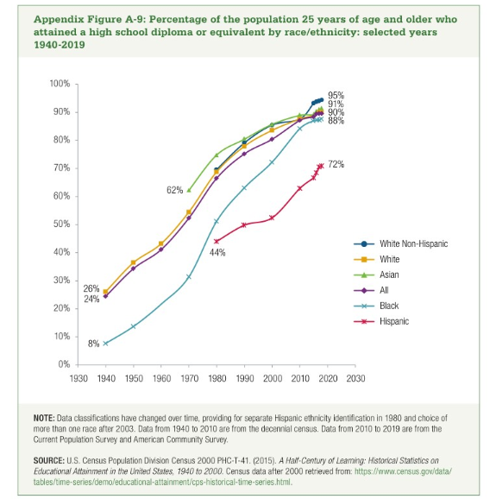
 | 1940 | 1950 | 1960 | 1970 | 1980 | 1990 | 2000 | 2010 | 2015 | 2016 | 2017 | 2018 | 2019
White Non-Hispanic |  |  |  |  | 70% | 79% | 85% | 88% | 93% | 94% | 94% | 94% | 95%
White | 26% | 36% | 43% | 55% | 69% | 78% | 84% | 88% | 89% | 90% | 90% | 90% | 91%
Asian |  |  |  | 62% | 75% | 80% | 86% | 89% | 89% | 90% | 91% | 91% | 91%
All | 24% | 34% | 41% | 52% | 67% | 75% | 80% | 87% | 88% | 89% | 90% | 90% | 90%
Black | 8% | 14% | 22% | 31% | 51% | 63% | 72% | 84% | 87% | 87% | 87% | 88% | 88%
Hispanic |  |  |  |  | 44% | 50% | 52% | 63% | 67% | 69% | 71% | 72% | 72%

