2020 Appen Fig 7 Chart
 | Fourth (Highest) Income Quartile | Third Income Quartile | Second Income Quartile | First (Lowest) Income Quartile
1970 | 93% | 90% | 84% | 62%
1971 | 93% | 88% | 82% | 62%
1972 | 93% | 88% | 83% | 64%
1973 | 92% | 90% | 84% | 64%
1974 | 93% | 89% | 81% | 63%
1975 | 93% | 90% | 81% | 64%
1976 | 94% | 89% | 84% | 64%
1977 | 94% | 89% | 82% | 63%
1978 | 92% | 89% | 82% | 64%
1979 | 92% | 89% | 81% | 64%
1980 | 92% | 90% | 82% | 65%
1981 | 91% | 90% | 82% | 64%
1982 | 94% | 90% | 83% | 63%
1983 | 93% | 89% | 81% | 64%
1984 | 93% | 91% | 82% | 66%
1985 | 94% | 90% | 83% | 67%
1986 | 93% | 90% | 81% | 67%
1987 | 95% | 89% | 83% | 68%
1988 | 94% | 90% | 84% | 67%
1989 | 93% | 89% | 83% | 67%
1990 | 94% | 91% | 83% | 68%
1991 | 95% | 91% | 83% | 65%
1992 | 94% | 90% | 83% | 67%
1993 | 95% | 90% | 83% | 68%
1994 | 94% | 90% | 82% | 68%
1995 | 94% | 88% | 82% | 66%
1996 | 94% | 89% | 83% | 67%
1997 | 93% | 89% | 82% | 64%
1998 | 93% | 89% | 81% | 64%
1999 | 91% | 90% | 83% | 68%
2000 | 92% | 90% | 83% | 65%
2001 | 93% | 89% | 80% | 65%
2002 | 91% | 86% | 82% | 68%
2003 | 92% | 88% | 84% | 70%
2004 | 93% | 89% | 82% | 68%
2005 | 93% | 89% | 83% | 69%
2006 | 92% | 88% | 84% | 68%
2007 | 93% | 89% | 83% | 70%
2008 | 92% | 90% | 85% | 71%
2009 | 93% | 90% | 84% | 70%
2010 | 93% | 88% | 83% | 73%
2011 | 91% | 88% | 83% | 72%
2012 | 91% | 88% | 83% | 72%
2013 | 90% | 87% | 84% | 74%
2014 | 91% | 88% | 84% | 76%
2015 | 91% | 90% | 85% | 76%
2016 | 90% | 89% | 86% | 76%
2017 | 90% | 88% | 86% | 76%
2018 | 90% | 87% | 85% | 80%

2020 App Fig 7 Data & Image
Appendix Figure A-7: High school graduation rates by family income quartile for dependent 18- to 24-year olds: 1970 to 2018

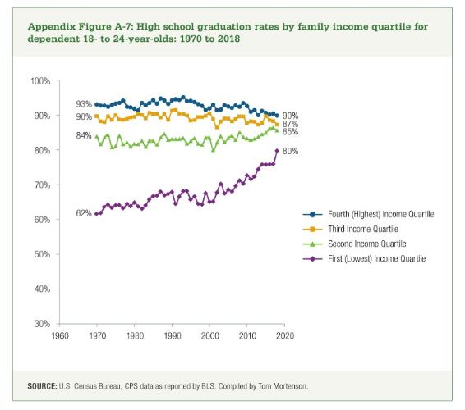
 | Fourth (Highest) Income Quartile | Third Income Quartile | Second Income Quartile | First (Lowest) Income Quartile
1970 | 93% | 90% | 84% | 62%
1971 | 93% | 88% | 82% | 62%
1972 | 93% | 88% | 83% | 64%
1973 | 92% | 90% | 84% | 64%
1974 | 93% | 89% | 81% | 63%
1975 | 93% | 90% | 81% | 64%
1976 | 94% | 89% | 84% | 64%
1977 | 94% | 89% | 82% | 63%
1978 | 92% | 89% | 82% | 64%
1979 | 92% | 89% | 81% | 64%
1980 | 92% | 90% | 82% | 65%
1981 | 91% | 90% | 82% | 64%
1982 | 94% | 90% | 83% | 63%
1983 | 93% | 89% | 81% | 64%
1984 | 93% | 91% | 82% | 66%
1985 | 94% | 90% | 83% | 67%
1986 | 93% | 90% | 81% | 67%
1987 | 95% | 89% | 83% | 68%
1988 | 94% | 90% | 84% | 67%
1989 | 93% | 89% | 83% | 67%
1990 | 94% | 91% | 83% | 68%
1991 | 95% | 91% | 83% | 65%
1992 | 94% | 90% | 83% | 67%
1993 | 95% | 90% | 83% | 68%
1994 | 94% | 90% | 82% | 68%
1995 | 94% | 88% | 82% | 66%
1996 | 94% | 89% | 83% | 67%
1997 | 93% | 89% | 82% | 64%
1998 | 93% | 89% | 81% | 64%
1999 | 91% | 90% | 83% | 68%
2000 | 92% | 90% | 83% | 65%
2001 | 93% | 89% | 80% | 65%
2002 | 91% | 86% | 82% | 68%
2003 | 92% | 88% | 84% | 70%
2004 | 93% | 89% | 82% | 68%
2005 | 93% | 89% | 83% | 69%
2006 | 92% | 88% | 84% | 68%
2007 | 93% | 89% | 83% | 70%
2008 | 92% | 90% | 85% | 71%
2009 | 93% | 90% | 84% | 70%
2010 | 93% | 88% | 83% | 73%
2011 | 91% | 88% | 83% | 72%
2012 | 91% | 88% | 83% | 72%
2013 | 90% | 87% | 84% | 74%
2014 | 91% | 88% | 84% | 76%
2015 | 91% | 90% | 85% | 76%
2016 | 90% | 89% | 86% | 76%
2017 | 90% | 88% | 86% | 76%
2018 | 90% | 87% | 85% | 80%

