2020 Appendix Figure A-6 Chart
 | Defense Spending/Budget | Pell Spending/Budget
1974 | $438.2 | $0.3
1975 | $411.0 | $1.8
1976 | $401.7 | $4.3
1977 | $416.9 | $6.5
1978 | $419.0 | $6.3
1979 | $421.5 | $5.9
1980 | $421.1 | $8.1
1981 | $467.4 | $7.3
1982 | $552.2 | $6.3
1983 | $538.9 | $6.3
1984 | $560.3 | $7.1
1985 | $603.5 | $7.4
1986 | $646.9 | $8.4
1987 | $638.1 | $8.0
1988 | $623.3 | $8.3
1989 | $616.0 | $9.5
1990 | $591.7 | $9.7
1991 | $518.6 | $9.5
1992 | $547.3 | $10.7
1993 | $519.4 | $11.1
1994 | $489.2 | $9.9
1995 | $460.8 | $9.4
1996 | $435.7 | $9.0
1997 | $433.9 | $9.3
1998 | $423.5 | $9.9
1999 | $424.8 | $11.2
2000 | $440.0 | $10.9
2001 | $444.0 | $11.6
2002 | $499.1 | $14.2
2003 | $569.0 | $16.3
2004 | $618.3 | $17.4
2005 | $649.2 | $17.5
2006 | $653.4 | $16.4
2007 | $673.8 | $15.9
2008 | $711.6 | $17.8
2009 | $782.4 | $21.0
2010 | $807.0 | $35.1
2011 | $793.5 | $41.2
2012 | $753.2 | $37.5
2013 | $690.1 | $35.3
2014 | $645.1 | $34.0
2015 | $629.5 | $32.4
2016 | $628.4 | $30.2
2017 | $623.7 | $28.2
2018 | $648.8 | $29.5
2019 | $716.0 | $28.2

2020 Indi 3b(vi) Data & Image
Appendix Figure A-6: Annual budgets/spending for Pell Grants and for Military Spending/Department of Defense: 1974 to 2018-19 (in 2018 billions of constant dollars)

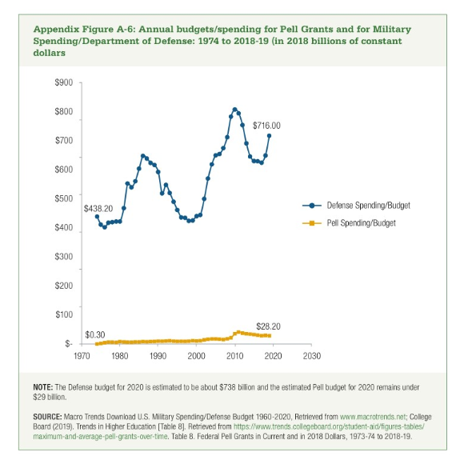

 | Defense Spending/Budget | Pell Spending/Budget | Ratio of Defense to Pell
1974 | $438.2 | $0.3 | 1618.80
1975 | $411.0 | $1.8 | 224.84
1976 | $401.7 | $4.3 | 93.29
1977 | $416.9 | $6.5 | 64.03
1978 | $419.0 | $6.3 | 66.54
1979 | $421.5 | $5.9 | 71.32
1980 | $421.1 | $8.1 | 51.82
1981 | $467.4 | $7.3 | 64.25
1982 | $552.2 | $6.3 | 87.27
1983 | $538.9 | $6.3 | 86.14
1984 | $560.3 | $7.1 | 79.41
1985 | $603.5 | $7.4 | 81.66
1986 | $646.9 | $8.4 | 76.93
1987 | $638.1 | $8.0 | 80.14
1988 | $623.3 | $8.3 | 74.97
1989 | $616.0 | $9.5 | 64.72
1990 | $591.7 | $9.7 | 61.13
1991 | $518.6 | $9.5 | 54.38
1992 | $547.3 | $10.7 | 51.06
1993 | $519.4 | $11.1 | 46.89
1994 | $489.2 | $9.9 | 49.57
1995 | $460.8 | $9.4 | 49.16
1996 | $435.7 | $9.0 | 48.18
1997 | $433.9 | $9.3 | 46.76
1998 | $423.5 | $9.9 | 42.61
1999 | $424.8 | $11.2 | 38.03
2000 | $440.0 | $10.9 | 40.38
2001 | $444.0 | $11.6 | 38.27
2002 | $499.1 | $14.2 | 35.24
2003 | $569.0 | $16.3 | 34.93
2004 | $618.3 | $17.4 | 35.50
2005 | $649.2 | $17.5 | 37.10
2006 | $653.4 | $16.4 | 39.92
2007 | $673.8 | $15.9 | 42.45
2008 | $711.6 | $17.8 | 40.08
2009 | $782.4 | $21.0 | 37.33
2010 | $807.0 | $35.1 | 22.99
2011 | $793.5 | $41.2 | 19.24
2012 | $753.2 | $37.5 | 20.11
2013 | $690.1 | $35.3 | 19.57
2014 | $645.1 | $34.0 | 19.00
2015 | $629.5 | $32.4 | 19.43
2016 | $628.4 | $30.2 | 20.84
2017 | $623.7 | $28.2 | 22.14
2018 | $648.8 | $29.5 | 21.98
2019 | $716.0 | $28.2 | 25.35

