2020 Appendix Figure 3 Chart
 | First( Lowest) Income Quartile | Second Income Quartile | Third Income Quartile | Fourth (Highest) Income Quartile
White | 17% | 22% | 29% | 33%
Black | 43% | 26% | 18% | 13%
Asian | 27% | 25% | 22% | 26%
Hispanic | 38% | 31% | 20% | 11%

2020 Appen Fig 3 Data & Imag
Appendix Figure A-3: Percentage distribution of the family income quartiles of dependent 18 to 24 year-olds by race/ethnicity: 2018

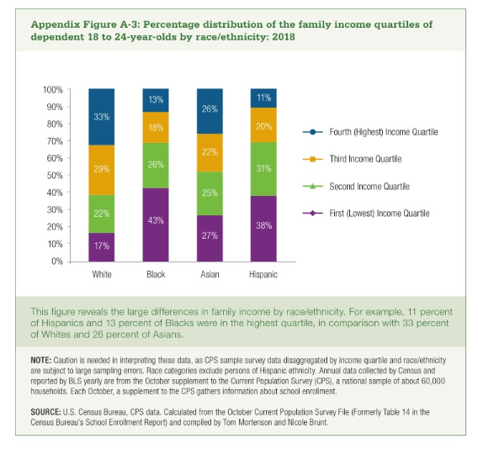

 | First( Lowest) Income Quartile | Second Income Quartile | Third Income Quartile | Fourth (Highest) Income Quartile
White | 17% | 22% | 29% | 33% | 100%
Black | 43% | 26% | 18% | 13% | 100%
Asian | 27% | 25% | 22% | 26% | 100%
Hispanic | 38% | 31% | 20% | 11% | 100%

