2020 Appen Fig 2 Chart
 | Third | Second | First (Lowest Quartile)
1987 | $113,162 | $71,890 | $41,000
1988 | $119,024 | $75,305 | $45,328
1989 | $117,469 | $72,613 | $43,372
1990 | $116,215 | $71,961 | $42,177
1991 | $114,407 | $72,038 | $43,703
1992 | $114,956 | $71,993 | $42,650
1993 | $112,999 | $70,672 | $41,548
1994 | $118,168 | $75,147 | $43,863
1995 | $119,964 | $77,179 | $44,250
1996 | $118,278 | $77,847 | $45,244
1997 |  | $80,595 | $46,224
1998 |  | $83,638 | $48,350
1999 | $122,084 | $86,214 | $49,896
2000 | $126,077 | $87,142 | $49,573
2001 |  | $92,493 | $49,855
2002 |  | $85,724 | $49,517
2003 | $130,073 | $85,714 | $49,135
2004 | $128,677 | $84,083 | $48,206
2005 | $126,875 | $82,632 | $47,097
2006 | $132,089 | $83,773 | $48,266
2007 | $140,891 | $83,678 | $47,955
2008 | $125,098 | $77,953 | $44,825
2009 | $127,041 | $76,623 | $42,330
2010 | $114,120 | $71,098 | $38,146
2011 | $117,206 | $70,631 | $37,241
2012 | $119,048 | $69,687 | $37,429
2013 | $121,806 | $70,538 | $37,050
2014 | $123,655 | $69,539 | $37,089
2015 | $126,939 | $72,597 | $39,936
2016 | $133,185 | $77,523 | $41,122
2017 | $136,548 | $76,730 | $43,081
2018 | $132,701 | $76,823 | $43,063

2020 Appen Fig 2 Data & Image
Appendix Figure A-2: Upper limits for the first (lowest), second, and third family income quartiles for dependent 18- to 24-year olds in constant 2018 dollars: 1987 to 2018

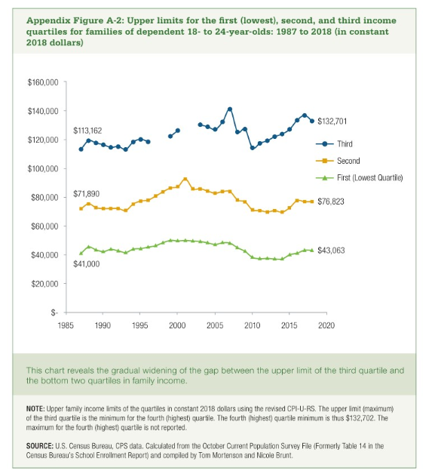

Year | Third | Second | First (Lowest Quartile)
1987 | $113,162 | $71,890 | $41,000
1988 | $119,024 | $75,305 | $45,328
1989 | $117,469 | $72,613 | $43,372
1990 | $116,215 | $71,961 | $42,177
1991 | $114,407 | $72,038 | $43,703
1992 | $114,956 | $71,993 | $42,650
1993 | $112,999 | $70,672 | $41,548
1994 | $118,168 | $75,147 | $43,863
1995 | $119,964 | $77,179 | $44,250
1996 | $118,278 | $77,847 | $45,244
1997 |  | $80,595 | $46,224
1998 |  | $83,638 | $48,350
1999 | $122,084 | $86,214 | $49,896
2000 | $126,077 | $87,142 | $49,573
2001 |  | $92,493 | $49,855
2002 |  | $85,724 | $49,517
2003 | $130,073 | $85,714 | $49,135
2004 | $128,677 | $84,083 | $48,206
2005 | $126,875 | $82,632 | $47,097
2006 | $132,089 | $83,773 | $48,266
2007 | $140,891 | $83,678 | $47,955
2008 | $125,098 | $77,953 | $44,825
2009 | $127,041 | $76,623 | $42,330
2010 | $114,120 | $71,098 | $38,146
2011 | $117,206 | $70,631 | $37,241
2012 | $119,048 | $69,687 | $37,429
2013 | $121,806 | $70,538 | $37,050
2014 | $123,655 | $69,539 | $37,089
2015 | $126,939 | $72,597 | $39,936
2016 | $133,185 | $77,523 | $41,122
2017 | $136,548 | $76,730 | $43,081
2018 | $132,701 | $76,823 | $43,063

