2020 Appen Fig 10 Chart
 | White Non-Hispanic | White | Asian | ALL | Black | Hispanic
1940 |  | 5% |  | 5% | 1%
1950 |  | 7% |  | 6% | 2%
1960 |  | 8% |  | 8% | 4%
1970 |  | 11% | 20% | 11% | 4%
1980 |  | 17% | 33% | 16% | 8% | 8%
1990 | 24% | 22% | 40% | 20% | 11% | 9%
2000 | 28% | 26% | 44% | 24% | 14% | 10%
2010 | 33% | 30% | 52% | 30% | 20% | 14%
2015 | 36% | 33% | 54% | 33% | 23% | 16%
2016 | 37% | 34% | 56% | 33% | 23% | 16%
2017 | 38% | 34% | 55% | 34% | 24% | 17%
2018 | 39% | 35% | 57% | 35% | 25% | 18%
2019 | 40% | 36% | 58% | 36% | 26% | 19%

2020 Appen Fig 10 Data & Ima
Appendix Figure A-10: Percentage of the population 25 years of age and older who has attained a bachelor’s degree or higher by race/ethnicity: selected years 1940-2019

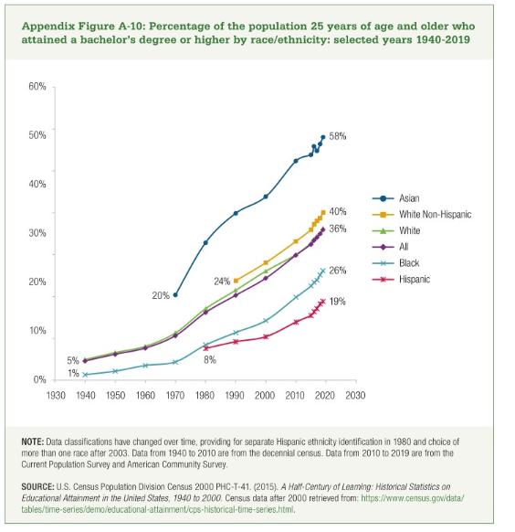
 | 1940 | 1950 | 1960 | 1970 | 1980 | 1990 | 2000 | 2010 | 2015 | 2016 | 2017 | 2018 | 2019
White Non-Hispanic |  |  |  |  |  | 24% | 28% | 33% | 36% | 37% | 38% | 39% | 40%
White | 5% | 7% | 8% | 11% | 17% | 22% | 26% | 30% | 33% | 34% | 34% | 35% | 36%
Asian |  |  |  | 20% | 33% | 40% | 44% | 52% | 54% | 56% | 55% | 57% | 58%
ALL | 5% | 6% | 8% | 11% | 16% | 20% | 24% | 30% | 33% | 33% | 34% | 35% | 36%
Black | 1% | 2% | 4% | 4% | 8% | 11% | 14% | 20% | 23% | 23% | 24% | 25% | 26%
Hispanic |  |  |  |  | 8% | 9% | 10% | 14% | 16% | 16% | 17% | 18% | 19%

