2019 Ind 4a (v) Chart
 | State Need Based Aid Recipients as a Percentage of Pell Recipients | State Need Based Aid Amount as Percentage of Pell Dollars
1979 | 72% | 52%
1980 | 54% | 37%
1981 | 49% | 36%
1982 | 48% | 39%
1983 | 53% | 40%
1984 | 50% | 38%
1985 | 52% | 41%
1986 | 50% | 38%
1987 | 54% | 43%
1988 | 48% | 40%
1989 | 44% | 35%
1990 | 43% | 35%
1991 | 44% | 37%
1992 | 40% | 33%
1993 | 40% | 34%
1994 | 43% | 39%
1995 | 44% | 45%
1996 | 45% | 44%
1997 | 47% | 45%
1998 | 50% | 44%
1999 | 47% | 41%
2000 | 52% | 44%
2001 | 56% | 48%
2002 | 56% | 41%
2003 | 39% | 37%
2004 | 38% | 36%
2005 | 37% | 37%
2006 | 39% | 40%
2007 | 40% | 43%
2008 | 40% | 40%
2009 | 37% | 33%
2010 | 29% | 22%
2011 | 26% | 18%
2012 | 26% | 21%
2013 | 27% | 23%
2014 | 28% | 24%
2015 | 29% | 26%
2016 | 30% | 29%

2019 Ind 4 a(v) Data & Image
Equity Indicator 4a(v): State need-based grant dollars and recipients as a percent of total Pell dollars and recipients: 1979-2016

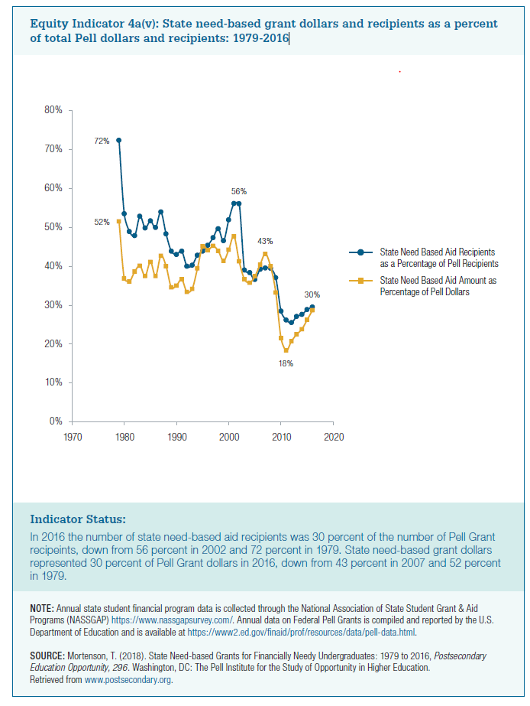
Year | State Need Based Aid Recipients as a Percentage of Pell Recipients | State Need Based Aid Amount as Percentage of Pell Dollars
1979 | 72% | 52%
1980 | 54% | 37%
1981 | 49% | 36%
1982 | 48% | 39%
1983 | 53% | 40%
1984 | 50% | 38%
1985 | 52% | 41%
1986 | 50% | 38%
1987 | 54% | 43%
1988 | 48% | 40%
1989 | 44% | 35%
1990 | 43% | 35%
1991 | 44% | 37%
1992 | 40% | 33%
1993 | 40% | 34%
1994 | 43% | 39%
1995 | 44% | 45%
1996 | 45% | 44%
1997 | 47% | 45%
1998 | 50% | 44%
1999 | 47% | 41%
2000 | 52% | 44%
2001 | 56% | 48%
2002 | 56% | 41%
2003 | 39% | 37%
2004 | 38% | 36%
2005 | 37% | 37%
2006 | 39% | 40%
2007 | 40% | 43%
2008 | 40% | 40%
2009 | 37% | 33%
2010 | 29% | 22%
2011 | 26% | 18%
2012 | 26% | 21%
2013 | 27% | 23%
2014 | 28% | 24%
2015 | 29% | 26%
2016 | 30% | 29%

