2019 Indicator_2f_Chart
 | Missing | Not Enrolled | Not Classified, Less-than-2-Year Institution | Not Classified, 2-Year Institution | Not Classified, 4-Year Institution | Inclusive, 4-Year Institution | Moderately Competitive, 4-Year Institution | Most & Highly Competitive, 4-Year Institution
First (Lowest) SES Quintile | 4% | 40% | 2% | 31% | 5% | 5% | 11% | 4%
Second SES Quintile | 4% | 34% | 1% | 30% | 4% | 7% | 15% | 5%
Third SES Quintile | 4% | 28% | 1% | 27% | 8% | 6% | 19% | 7%
Fourth SES Quintile | 4% | 20% | 0% | 27% | 4% | 7% | 24% | 13%
Fifth (Highest) SES Quintile | 3% | 7% | 0% | 17% | 4% | 6% | 30% | 33%

2019_Indicator_2f_Data&Image
Equity Indicator 2f: Percentage distribution of 2009 9th graders who graduated from high school by institutional selectivity of enrollment in the fall after scheduled high school graduation (in 2013) by SES quintile

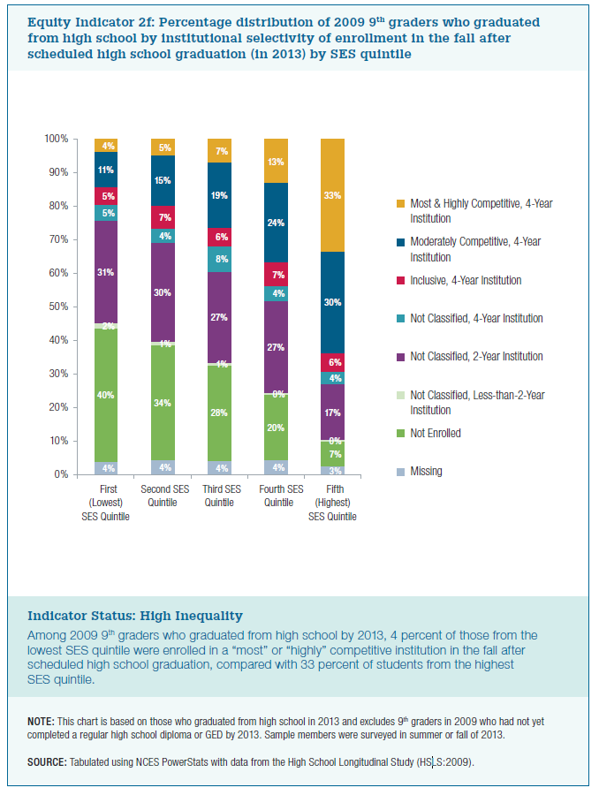
 | Missing | Not Enrolled | Not Classified, Less-than-2-Year Institution | Not Classified, 2-Year Institution | Not Classified, 4-Year Institution | Inclusive, 4-Year Institution | Moderately Competitive, 4-Year Institution | Most & Highly Competitive, 4-Year Institution
First (Lowest) SES Quintile | 4% | 40% | 2% | 31% | 5% | 5% | 11% | 4%
Second SES Quintile | 4% | 34% | 1% | 30% | 4% | 7% | 15% | 5%
Third SES Quintile | 4% | 28% | 1% | 27% | 8% | 6% | 19% | 7%
Fourth SES Quintile | 4% | 20% | 0% | 27% | 4% | 7% | 24% | 13%
Fifth (Highest) SES Quintile | 3% | 7% | 0% | 17% | 4% | 6% | 30% | 33%

