2019 Indicator 1j(iii) Chart
 | White | Black
Alaska | 24%
Hawaii | 23%
Idaho | 39%
Maine | 44%
Montana | 34%
Nebraska | 48%
New Hampshire | 43%
New Mexico | 41%
North Dakota | 43%
South Dakota | 48%
Utah | 44%
Vermont | 45%
Wyoming | 42%
Nevada | 35% | 0.27474549246
Washington | 35% | 0.27812431203
Louisiana | 41% | 0.29177441381
Ohio | 43% | 0.30863654086
Indiana | 42% | 0.31466915459
Wisconsin | 47% | 0.32527164388
Tennessee | 39% | 0.32570232044
Minnesota | 45% | 0.32768731674
Colorado | 42% | 0.33011217732
South Carolina | 42% | 0.33201087504
Kentucky | 39% | 0.33780004174
Illinois | 47% | 0.34210538774
Missouri | 41% | 0.34321876956
District of Columbia | 71% | 0.35084670969
New Jersey | 48% | 0.3526063248
Michigan | 47% | 0.35284131347
Florida | 45% | 0.35378401823
Texas | 42% | 0.35685393381
Delaware | 52% | 0.35955654531
Alabama | 45% | 0.36205949142
Virginia | 44% | 0.36212495588
North Carolina | 44% | 0.36230975941
Mississippi | 46% | 0.36261412989
United States | 45% | 0.36319174644
Arkansas | 42% | 0.36483287907
Oklahoma | 40% | 0.36724137931
West Virginia | 41% | 0.37370111468
Georgia | 41% | 0.37492954034
Pennsylvania | 46% | 0.38255192878
Maryland | 47% | 0.38599840159
Iowa | 44% | 0.38877791901
Kansas | 44% | 0.40299753684
Connecticut | 53% | 0.41544422297
Oregon | 39% | 0.41618243614
California | 50% | 0.42087521768
Arizona | 44% | 0.42357258183
...

2019Indicator 1j(iii)Data&Image
Equity Indicator 1j(iii): Percentage of Black and White 18- to 24- year-olds enrolled in degree-granting postsecondary institutions by state: 2017

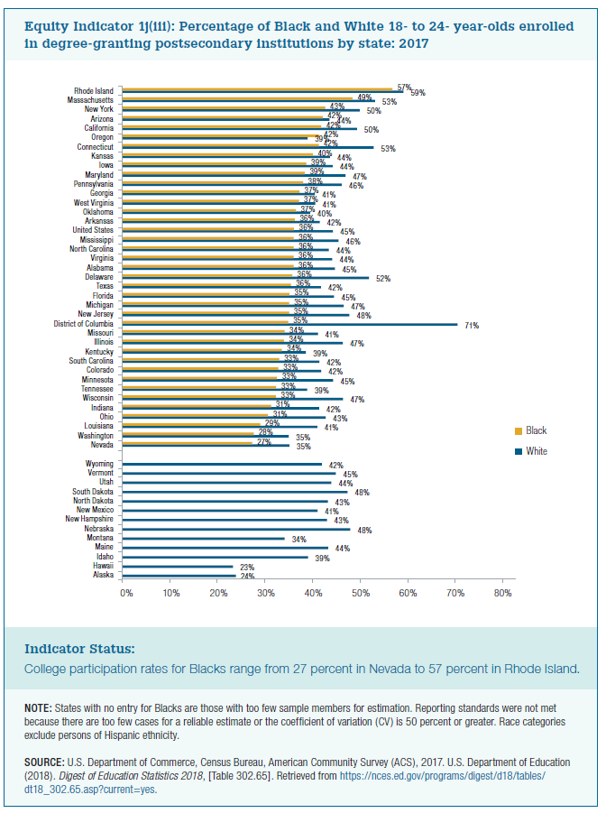
 | White | Black
Alaska | 24%
Hawaii | 23%
Idaho | 39%
Maine | 44%
Montana | 34%
Nebraska | 48%
New Hampshire | 43%
New Mexico | 41%
North Dakota | 43%
South Dakota | 48%
Utah | 44%
Vermont | 45%
Wyoming | 42%

Nevada | 35% | 27%
Washington | 35% | 28%
Louisiana | 41% | 29%
Ohio | 43% | 31%
Indiana | 42% | 31%
Wisconsin | 47% | 33%
Tennessee | 39% | 33%
Minnesota | 45% | 33%
Colorado | 42% | 33%
South Carolina | 42% | 33%
Kentucky | 39% | 34%
Illinois | 47% | 34%
Missouri | 41% | 34%
District of Columbia | 71% | 35%
New Jersey | 48% | 35%
Michigan | 47% | 35%
Florida | 45% | 35%
Texas | 42% | 36%
Delaware | 52% | 36%
Alabama | 45% | 36%
Virginia | 44% | 36%
North Carolina | 44% | 36%
Mississippi | 46% | 36%
United States | 45% | 36%
Arkansas | 42% | 36%
Oklahoma | 40% | 37%
West Virginia | 41% | 37%
Georgia | 41% | 37%
Pennsylvania | 46% | 38%
Maryland | 47% | 39%
Iowa | 44% | 39%
Kansas | 44% | 40%
Connecticut | 53% | 42%
Oregon | 39% | 42%
California | 50% | 42%
Arizona | 44% | 42%
New York | 50% | 43%
Massachusetts | 53% | 49%
Rhode Island | 59% | 57%

