2019Indicator 1j(ii) Chart
 | White | Hispanic
Alaska | 24%
Delaware | 52%
Maine | 44%
Montana | 34%
New Hampshire | 43%
North Dakota | 43%
South Dakota | 48%
Vermont | 45%
West Virginia | 41%
Wyoming | 42%
Arkansas | 42% | 0.24245453373
Minnesota | 45% | 0.25607417994
Missouri | 41% | 0.26192752506
Nevada | 35% | 0.27037368316
Kansas | 44% | 0.27166044174
North Carolina | 44% | 0.27210251075
Colorado | 42% | 0.27411399664
Oklahoma | 40% | 0.27432694976
Nebraska | 48% | 0.27676564816
Alabama | 45% | 0.27751283933
Utah | 44% | 0.27966151266
Pennsylvania | 46% | 0.28180350027
Hawaii | 23% | 0.28180574555
Tennessee | 39% | 0.28315854411
Washington | 35% | 0.29813922507
Connecticut | 53% | 0.29916718166
South Carolina | 42% | 0.30653104297
Idaho | 39% | 0.30653604018
Louisiana | 41% | 0.31018121018
Arizona | 44% | 0.31499776381
Kentucky | 39% | 0.31519007646
Indiana | 42% | 0.31795174936
Georgia | 41% | 0.32342873176
Mississippi | 46% | 0.32406244393
Texas | 42% | 0.3281099045
Ohio | 43% | 0.3441447382
Oregon | 39% | 0.34685287928
Wisconsin | 47% | 0.34703497108
Virginia | 44% | 0.34991629587
United States | 45% | 0.36189275686
Rhode Island | 59% | 0.36671189507
New Mexico | 41% | 0.36877082102
Maryland | 47% | 0.37931965443
Florida | 45% | 0.38376333472
Michigan | 47% | 0.39180564464
Illinois | 47% | 0.39258588362
Iowa | 44% | 0.39972121315
Massachusetts | 53% | 0.40043249342
New York | 50% | 0.40247384566
...

Indicator 1j(ii) Data & Image
Equity Indicator 1j(ii): Percentages of Hispanic and White 18- to 24 –year-olds enrolled in degree-granting postsecondary institutions by state: 2017

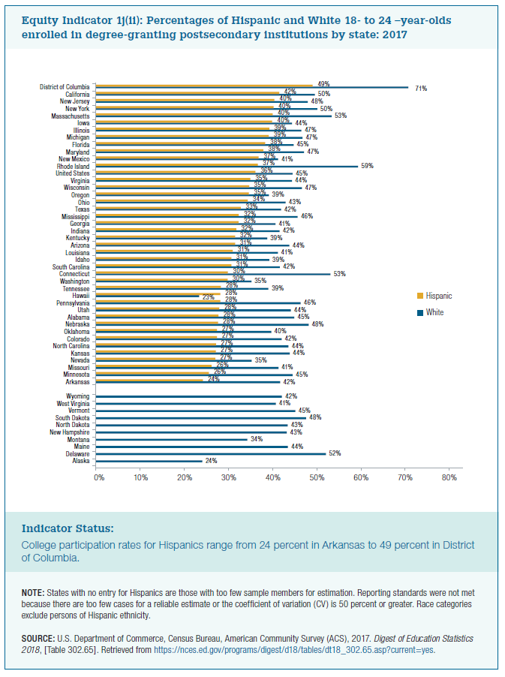
 | White | Hispanic
Alaska | 24%
Delaware | 52%
Maine | 44%
Montana | 34%
New Hampshire | 43%
North Dakota | 43%
South Dakota | 48%
Vermont | 45%
West Virginia | 41%
Wyoming | 42%

Arkansas | 42% | 24%
Minnesota | 45% | 26%
Missouri | 41% | 26%
Nevada | 35% | 27%
Kansas | 44% | 27%
North Carolina | 44% | 27%
Colorado | 42% | 27%
Oklahoma | 40% | 27%
Nebraska | 48% | 28%
Alabama | 45% | 28%
Utah | 44% | 28%
Pennsylvania | 46% | 28%
Hawaii | 23% | 28%
Tennessee | 39% | 28%
Washington | 35% | 30%
Connecticut | 53% | 30%
South Carolina | 42% | 31%
Idaho | 39% | 31%
Louisiana | 41% | 31%
Arizona | 44% | 31%
Kentucky | 39% | 32%
Indiana | 42% | 32%
Georgia | 41% | 32%
Mississippi | 46% | 32%
Texas | 42% | 33%
Ohio | 43% | 34%
Oregon | 39% | 35%
Wisconsin | 47% | 35%
Virginia | 44% | 35%
United States | 45% | 36%
Rhode Island | 59% | 37%
New Mexico | 41% | 37%
Maryland | 47% | 38%
Florida | 45% | 38%
Michigan | 47% | 39%
Illinois | 47% | 39%
Iowa | 44% | 40%
Massachusetts | 53% | 40%
New York | 50% | 40%
New Jersey | 48% | 40%
California | 50% | 42%
District of Columbia | 71% | 49%

