2019 Indicator 1j(i) Chart
 | 2017 18 to 24 Year Old Enrollment
Alaska | 20%
Nevada | 33%
Hawaii | 34%
Montana | 34%
Washington | 36%
Louisiana | 36%
Oklahoma | 37%
Tennessee | 37%
New Mexico | 38%
Texas | 38%
Colorado | 38%
Idaho | 38%
Kentucky | 38%
Arizona | 38%
South Carolina | 39%
Arkansas | 39%
Georgia | 40%
Oregon | 40%
North Carolina | 40%
Missouri | 40%
Wyoming | 41%
North Dakota | 41%
Mississippi | 41%
Indiana | 41%
Ohio | 41%
Utah | 41%
Alabama | 42%
Florida | 42%
Kansas | 42%
West Virginia | 42%
United States | 43%
Virginia | 43%
Minnesota | 43%
Nebraska | 44%
Maine | 44%
Illinois | 44%
South Dakota | 44%
Wisconsin | 44%
Pennsylvania | 45%
Maryland | 45%
Iowa | 45%
Michigan | 46%
New Hampshire | 46%
New Jersey | 46%
Delaware | 47%
Vermont | 47%
California | 48%
Connecticut | 48%
New York | 49%
Massachusetts | 53%
...

2019Indicator 1j(i) Data&Image
Equity Indicator 1j(i): Percentage of 18- to 24- year-olds enrolled in degree-granting postsecondary institutions by state: 2017

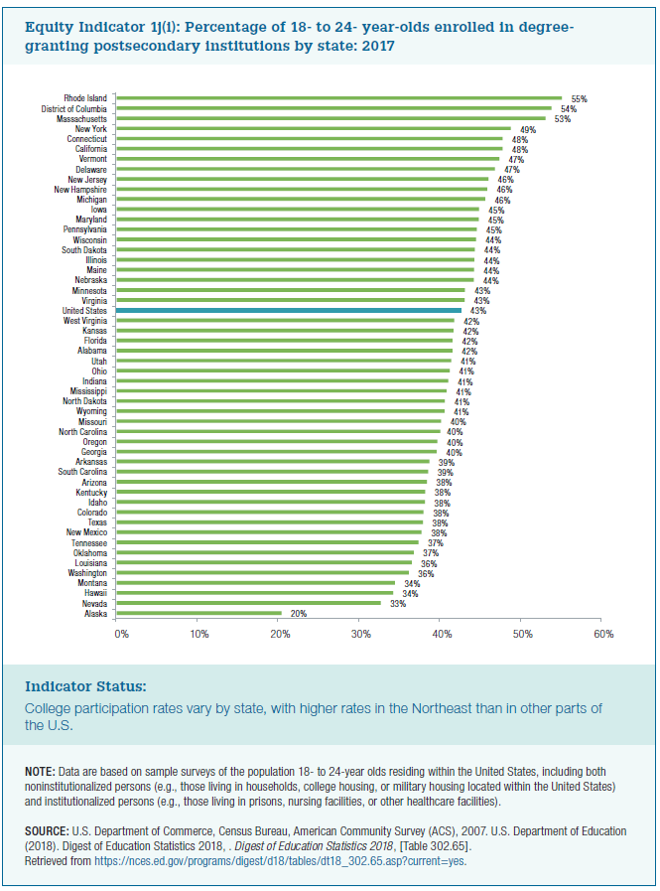
 | 2017 18 to 24 Year Old Enrollment
Alaska | 20%
Nevada | 33%
Hawaii | 34%
Montana | 34%
Washington | 36%
Louisiana | 36%
Oklahoma | 37%
Tennessee | 37%
New Mexico | 38%
Texas | 38%
Colorado | 38%
Idaho | 38%
Kentucky | 38%
Arizona | 38%
South Carolina | 39%
Arkansas | 39%
Georgia | 40%
Oregon | 40%
North Carolina | 40%
Missouri | 40%
Wyoming | 41%
North Dakota | 41%
Mississippi | 41%
Indiana | 41%
Ohio | 41%
Utah | 41%
Alabama | 42%
Florida | 42%
Kansas | 42%
West Virginia | 42%
United States | 43%
Virginia | 43%
Minnesota | 43%
Nebraska | 44%
Maine | 44%
Illinois | 44%
South Dakota | 44%
Wisconsin | 44%
Pennsylvania | 45%
Maryland | 45%
Iowa | 45%
Michigan | 46%
New Hampshire | 46%
New Jersey | 46%
Delaware | 47%
Vermont | 47%
California | 48%
Connecticut | 48%
New York | 49%
Massachusetts | 53%
District of Columbia | 54%
Rhode Island | 55%

