2019 Indicator 1i(i) Chart
 | 2016
Alaska | 10%
Oklahoma | 21%
Wyoming | 21%
New Mexico | 22%
West Virginia | 23%
Kentucky | 24%
Louisiana | 25%
Texas | 26%
Idaho | 26%
Arizona | 27%
Utah | 27%
Arkansas | 27%
Washington | 28%
Oregon | 28%
Montana | 29%
South Dakota | 29%
Alabama | 30%
Tennessee | 30%
Hawaii | 30%
North Dakota | 31%
Colorado | 31%
Mississippi | 31%
South Carolina | 31%
Missouri | 31%
Nebraska | 32%
Kansas | 32%
Illinois | 32%
Georgia | 32%
Dist of Columbia | 32%
Delaware | 33%
Indiana | 33%
North Carolina | 34%
United States | 34%
Nevada | 35%
Ohio | 35%
California | 35%
Iowa | 38%
Virginia | 38%
Maine | 39%
Michigan | 39%
Wisconsin | 39%
Vermont | 40%
Maryland | 40%
Florida | 41%
Pennsylvania | 41%
Minnesota | 42%
Rhode Island | 44%
Connecticut | 46%
Massachusetts | 49%
New Hampshire | 50%
...

2019Indicator 1i(i) Data&Image
Equity Indicator 1i(i): Estimated college participation rates for students from low-income families by state: 2016

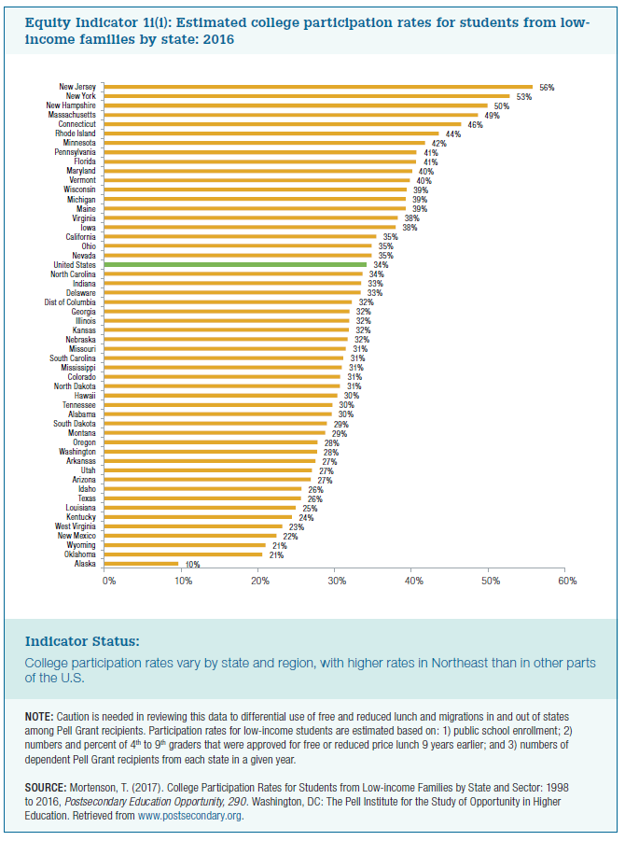
 | 2016
Alaska | 10%
Oklahoma | 21%
Wyoming | 21%
New Mexico | 22%
West Virginia | 23%
Kentucky | 24%
Louisiana | 25%
Texas | 26%
Idaho | 26%
Arizona | 27%
Utah | 27%
Arkansas | 27%
Washington | 28%
Oregon | 28%
Montana | 29%
South Dakota | 29%
Alabama | 30%
Tennessee | 30%
Hawaii | 30%
North Dakota | 31%
Colorado | 31%
Mississippi | 31%
South Carolina | 31%
Missouri | 31%
Nebraska | 32%
Kansas | 32%
Illinois | 32%
Georgia | 32%
Dist of Columbia | 32%
Delaware | 33%
Indiana | 33%
North Carolina | 34%
United States | 34%
Nevada | 35%
Ohio | 35%
California | 35%
Iowa | 38%
Virginia | 38%
Maine | 39%
Michigan | 39%
Wisconsin | 39%
Vermont | 40%
Maryland | 40%
Florida | 41%
Pennsylvania | 41%
Minnesota | 42%
Rhode Island | 44%
Connecticut | 46%
Massachusetts | 49%
New Hampshire | 50%
New York | 53%
New Jersey | 56%

