2019 Indicator 1h Chart
 | Parents Did Not Attend College | Parents Attended Some College | Parents Earned a Bachelors Degree
Completed High School by 2012 | 92% | 97% | 98%
Ever Enrolled in Postsecondary Education by 2012 | 72% | 84% | 93%

2019 Indicator 1h Data&Image
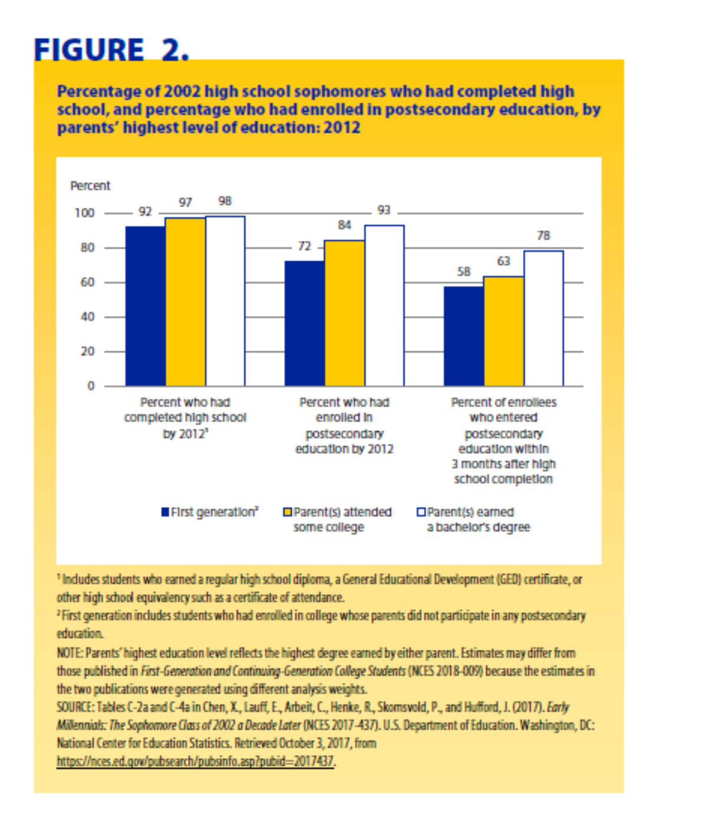
Equity Indicator 1h: Percentages of 10th grade students who completed high school and enrolled in postsecondary education within 8 years of their scheduled high school graduation by highest level of education among either parent (ELS:2002/2012)

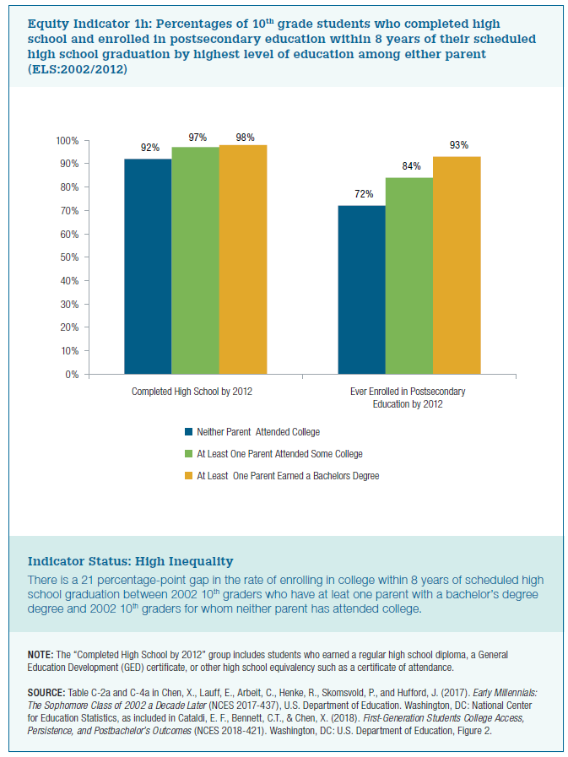
 | Completed High School by 2012 | Ever Enrolled in Postsecondary Education by 2012
Parents Did Not Attend College | 92% | 72%
Parents Attended Some College | 97% | 84%
Parents Earned a Bachelors Degree | 98% | 93%

