2019 Indicator 1g(i) Chart
 | 4-Year | 2-Year or Below | Not enrolled
First (Lowest) SES Quintile | 21% | 28% | 51%
Second SES Quintile | 27% | 29% | 44%
Third SES Quintile | 37% | 28% | 35%
Fourth SES Quintile | 48% | 29% | 23%
Fifth (Highest) SES Quintile | 73% | 18% | 9%

2019 Indicator 1g(i) Data&Image
Equity Indicator 1g(i): Percentage distribution of 2009 9th graders by enrollment status in the fall after scheduled high school graduation by parents’ socioeconomic status (SES): High School Longitudinal Study (HSLS:2009/2013)

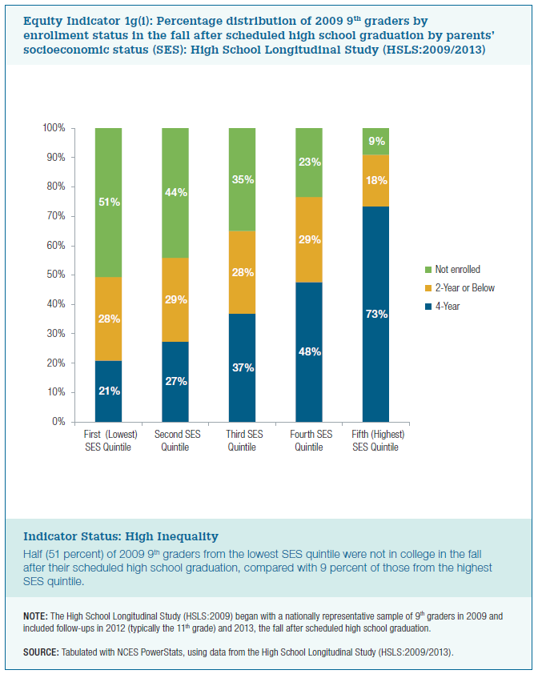
SES | 4-Year | 2-Year or Below | Not enrolled
First (Lowest) SES Quintile | 21% | 28% | 51%
Second SES Quintile | 27% | 29% | 44%
Third SES Quintile | 37% | 28% | 35%
Fourth SES Quintile | 48% | 29% | 23%
Fifth (Highest) SES Quintile | 73% | 18% | 9%

