2019 Indicator 1e Chart
 | HS&B (1980/1992) | NELS: (1988/2000) | ELS: (2002/2012)
American Indian/Alaska Native/Other | 54% | 66% | 77%
Asian or Pacific Islander | 88% | 95% | 93%
Black | 61% | 77% | 82%
Hispanic | 53% | 70% | 79%
White | 69% | 77% | 87%
All | 66% | 76% | 84%

2019 Indicator 1e Data&Image
Equity Indicator 1e: Percentage of young adults who reported enrolling in postsecondary education within 8 or 10 years of expected high school graduation by race/ethnicity: High School Longitudinal Studies (HS&B:1980/1992; NELS:1988/2000; ELS:2002/2012)

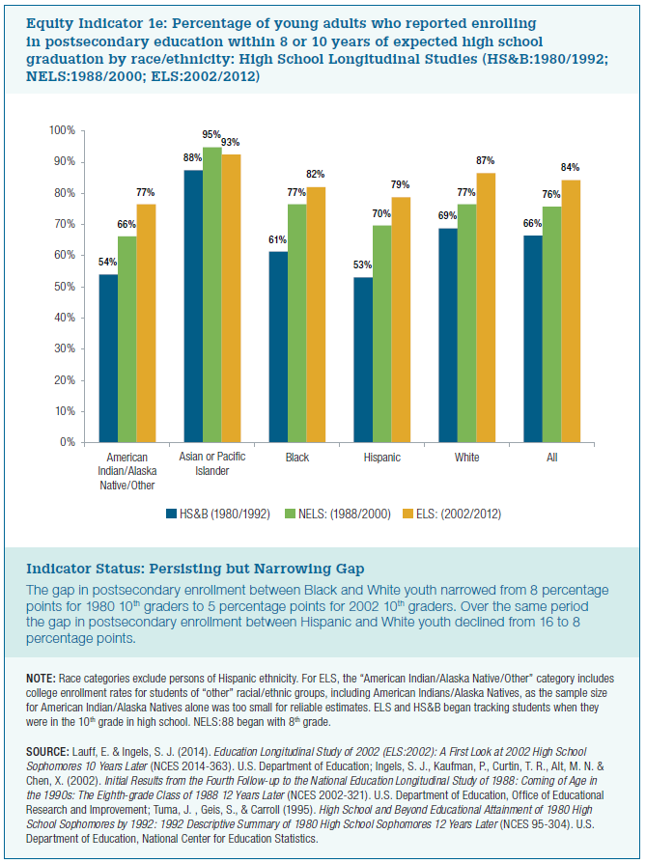
 | HS&B (1980/1992) | NELS: (1988/2000) | ELS: (2002/2012)
American Indian/Alaska Native/Other | 54% | 66% | 77%
Asian or Pacific Islander | 88% | 95% | 93%
Black | 61% | 77% | 82%
Hispanic | 53% | 70% | 79%
White | 69% | 77% | 87%
All | 66% | 76% | 84%

