2019 Indicator 1d(ii) Chart
 | Asian | Black | Hispanic | White
First (Lowest) Income Quartile | 95% | 61% | 62% | 60%
Second Income Quartile | 82% | 58% | 66% | 64%
Third Income Quartile | 94% | 81% | 70% | 78%
Fourth (Highest) Income Quartile | 97% | 88% | 84% | 86%

2019Indicator 1d(ii) Data&Image
Equity Indicator 1d(ii): High School Graduates College Continuation Rates by race/ethnicity and family income quartiles: 2017

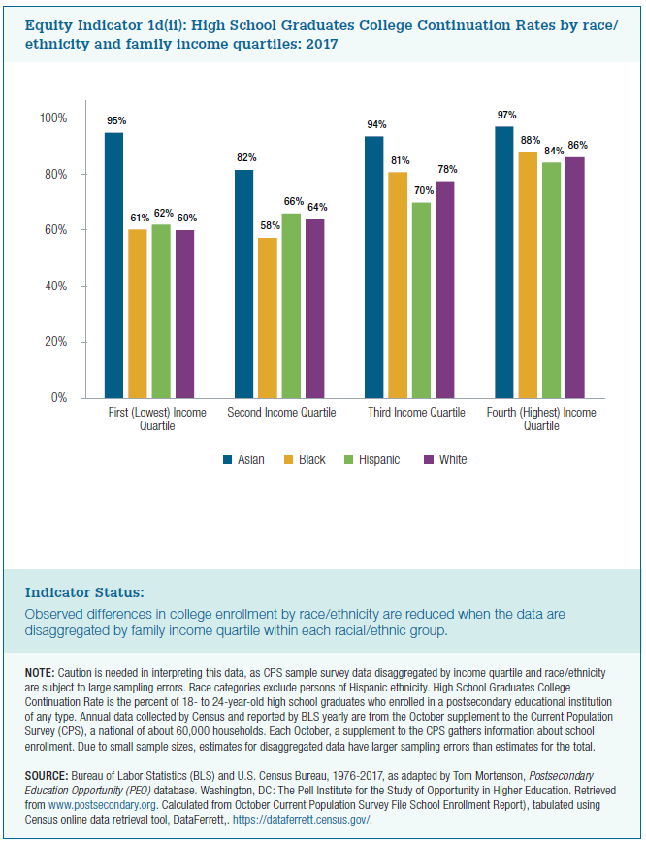
Race/Ethnicity | First (Lowest) Income Quartile | Second Income Quartile | Third Income Quartile | Fourth (Highest) Income Quartile | All
Asian | 95% | 82% | 94% | 97% | 92%
Black | 61% | 58% | 81% | 88% | 72%
Hispanic | 62% | 66% | 70% | 84% | 71%
White | 60% | 64% | 78% | 86% | 72%

