2019 Indicator 1c(ii)
 | Asian | Black | Hispanic | White
First (Lowest) Income Quartile | 88% | 47% | 46% | 45%
Second Income Quartile | 77% | 47% | 58% | 55%
Third Income Quartile | 87% | 73% | 62% | 68%
Fourth (Highest) Income Quartile | 93% | 81% | 74% | 78%

2019Indicator 1c(ii) Data&Image
Equity Indicator 1c(ii): Cohort College Participation Rates of recent high school leavers by race/ethnicity and family income quartile: 2017

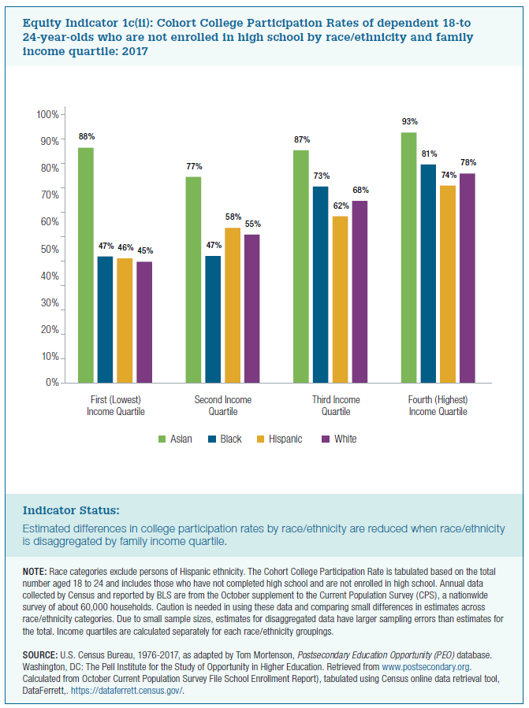
 | First (Lowest) Income Quartile | Second Income Quartile | Third Income Quartile | Fourth (Highest) Income Quartile
Asian | 88% | 77% | 87% | 93% | 86%
Black | 47% | 47% | 73% | 81% | 62%
Hispanic | 46% | 58% | 62% | 74% | 60%
White | 45% | 55% | 68% | 78% | 62%

