2019 Indicator 1c(i) Chart
 | Asian | White | Hispanic | Black
1976 |  | 41% | 34% | 33%
1977 |  | 41% | 32% | 32%
1978 |  | 41% | 31% | 32%
1979 |  | 42% | 30% | 31%
1980 |  | 43% | 32% | 30%
1981 |  | 44% | 32% | 29%
1982 |  | 46% | 33% | 28%
1983 |  | 47% | 32% | 29%
1984 |  | 49% | 31% | 30%
1985 |  | 50% | 28% | 31%
1986 |  | 51% | 27% | 33%
1987 |  | 51% | 29% | 35%
1988 |  | 52% | 34% | 38%
1989 |  | 54% | 35% | 37%
1990 |  | 56% | 37% | 37%
1991 |  | 57% | 37% | 37%
1992 |  | 57% | 43% | 40%
1993 |  | 56% | 39% | 41%
1994 |  | 56% | 37% | 41%
1995 |  | 57% | 33% | 41%
1996 |  | 58% | 39% | 44%
1997 |  | 60% | 39% | 47%
1998 | 78% | 66% | 38% | 45%
1999 | 82% | 65% | 37% | 48%
2000 | 75% | 63% | 37% | 45%
2001 | 81% | 63% | 39% | 48%
2002 | 78% | 65% | 38% | 50%
2003 | 83% | 66% | 46% | 45%
2004 | 88% | 66% | 41% | 49%
2005 | 85% | 66% | 47% | 50%
2006 | 83% | 65% | 44% | 47%
2007 | 85% | 66% | 47% | 51%
2008 | 84% | 68% | 45% | 52%
2009 | 86% | 68% | 44% | 55%
2010 | 85% | 67% | 51% | 53%
2011 | 80% | 66% | 55% | 54%
2012 | 75% | 66% | 57% | 54%
2013 | 76% | 65% | 53% | 52%
2014 | 87% | 65% | 53% | 56%
2015 | 82% | 64% | 58% | 55%
2016 | 78% | 66% | 59% | 51%
2017 | 82% | 64% | 59% | 56%

2019 Indicator 1c(i) Data&Image
Equity Indicator 1c(i): Cohort College Participation Rates of recent high school leavers by race/ethnicity: 1976 to 2017

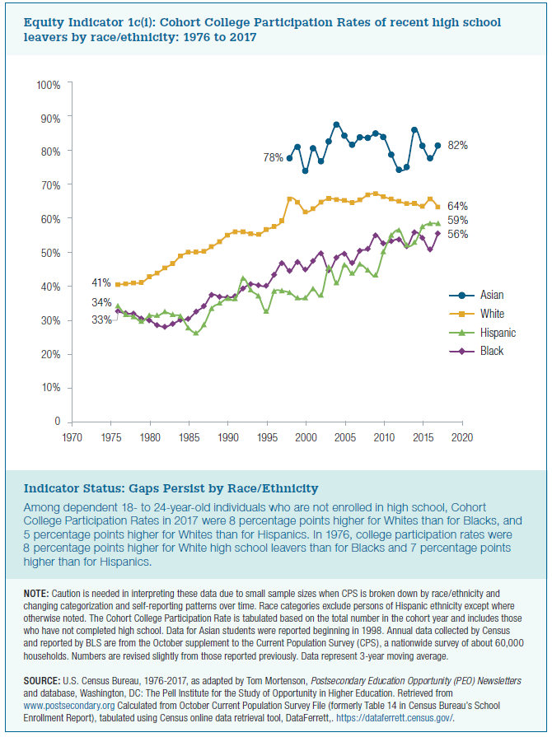
 | Asian | White | Hispanic | Black
1976 |  | 41% | 34% | 33%
1977 |  | 41% | 32% | 32%
1978 |  | 41% | 31% | 32%
1979 |  | 42% | 30% | 31%
1980 |  | 43% | 32% | 30%
1981 |  | 44% | 32% | 29%
1982 |  | 46% | 33% | 28%
1983 |  | 47% | 32% | 29%
1984 |  | 49% | 31% | 30%
1985 |  | 50% | 28% | 31%
1986 |  | 51% | 27% | 33%
1987 |  | 51% | 29% | 35%
1988 |  | 52% | 34% | 38%
1989 |  | 54% | 35% | 37%
1990 |  | 56% | 37% | 37%
1991 |  | 57% | 37% | 37%
1992 |  | 57% | 43% | 40%
1993 |  | 56% | 39% | 41%
1994 |  | 56% | 37% | 41%
1995 |  | 57% | 33% | 41%
1996 |  | 58% | 39% | 44%
1997 |  | 60% | 39% | 47%
1998 | 78% | 66% | 38% | 45%
1999 | 82% | 65% | 37% | 48%
2000 | 75% | 63% | 37% | 45%
2001 | 81% | 63% | 39% | 48%
2002 | 78% | 65% | 38% | 50%
2003 | 83% | 66% | 46% | 45%
2004 | 88% | 66% | 41% | 49%
2005 | 85% | 66% | 47% | 50%
2006 | 83% | 65% | 44% | 47%
2007 | 85% | 66% | 47% | 51%
2008 | 84% | 68% | 45% | 52%
2009 | 86% | 68% | 44% | 55%
2010 | 85% | 67% | 51% | 53%
2011 | 80% | 66% | 55% | 54%
2012 | 75% | 66% | 57% | 54%
2013 | 76% | 65% | 53% | 52%
2014 | 87% | 65% | 53% | 56%
2015 | 82% | 64% | 58% | 55%
2016 | 78% | 66% | 59% | 51%
2017 | 82% | 64% | 59% | 56%

