2018 Indicator 5f (v) Chart
 | 2005 | 2015
Nevada | 19% | 22%
New Mexico | 20% | 22%
Mississippi | 21% | 23%
Arkansas | 21% | 24%
Idaho | 22% | 25%
Oklahoma | 23% | 25%
Alabama | 24% | 26%
West Virginia | 21% | 26%
Arizona | 24% | 26%
Louisiana | 23% | 26%
Wyoming | 21% | 27%
Kentucky | 23% | 27%
Alaska | 23% | 28%
Florida | 26% | 29%
South Carolina | 24% | 29%
Indiana | 25% | 29%
Texas | 24% | 29%
Tennessee | 25% | 31%
Georgia | 30% | 31%
South Dakota | 29% | 31%
Utah | 27% | 31%
Hawaii | 27% | 31%
Michigan | 28% | 32%
Ohio | 28% | 32%
North Carolina | 28% | 32%
Maine | 26% | 33%
Missouri | 28% | 33%
Delaware | 32% | 33%
Montana | 27% | 33%
Iowa | 31% | 34%
Wisconsin | 30% | 34%
California | 29% | 34%
United States | 30% | 34%
Oregon | 29% | 34%
Nebraska | 33% | 35%
Washington | 30% | 36%
Kansas | 31% | 36%
North Dakota | 32% | 36%
Rhode Island | 34% | 36%
Pennsylvania | 34% | 38%
Vermont | 35% | 39%
Colorado | 36% | 39%
Virginia | 36% | 40%
Illinois | 34% | 40%
Maryland | 37% | 40%
Minnesota | 36% | 41%
New Hampshire | 34% | 41%
New Jersey | 40% | 44%
Connecticut | 39% | 44%
New York | 39% | 44%
...

2018 Indi 5f(v) Data& Image
Equity Indicator 5f(v): Percentage of population age 25 to 34 that had attained a bachelor’s degree by state: 2005 and 2015

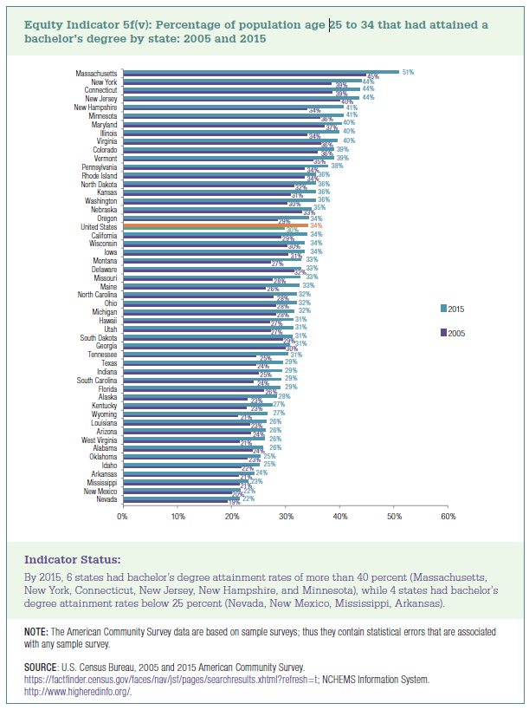
 |  | 2005 | 2015
 | Nevada | 19% | 22%
 | New Mexico | 20% | 22%
 | Mississippi | 21% | 23%
 | Arkansas | 21% | 24%
 | Idaho | 22% | 25%
 | Oklahoma | 23% | 25%
 | Alabama | 24% | 26%
 | West Virginia | 21% | 26%
 | Arizona | 24% | 26%
 | Louisiana | 23% | 26%
 | Wyoming | 21% | 27%
 | Kentucky | 23% | 27%
 | Alaska | 23% | 28%
 | Florida | 26% | 29%
 | South Carolina | 24% | 29%
 | Indiana | 25% | 29%
 | Texas | 24% | 29%
 | Tennessee | 25% | 31%
 | Georgia | 30% | 31%
 | South Dakota | 29% | 31%
 | Utah | 27% | 31%
 | Hawaii | 27% | 31%
 | Michigan | 28% | 32%
 | Ohio | 28% | 32%
 | North Carolina | 28% | 32%
 | Maine | 26% | 33%
 | Missouri | 28% | 33%
 | Delaware | 32% | 33%
 | Montana | 27% | 33%
 | Iowa | 31% | 34%
 | Wisconsin | 30% | 34%
 | California | 29% | 34%
 | United States | 30% | 34%
 | Oregon | 29% | 34%
 | Nebraska | 33% | 35%
 | Washington | 30% | 36%
 | Kansas | 31% | 36%
 | North Dakota | 32% | 36%
 | Rhode Island | 34% | 36%
 | Pennsylvania | 34% | 38%
 | Vermont | 35% | 39%
 | Colorado | 36% | 39%
 | Virginia | 36% | 40%
 | Illinois | 34% | 40%
 | Maryland | 37% | 40%
 | Minnesota | 36% | 41%
 | New Hampshire | 34% | 41%
 | New Jersey | 40% | 44%
 | Connecticut | 39% | 44%
 | New York | 39% | 44%
 | Massachusetts | 45% | 51%

