2018 Indicator 5e(i) chart
 | First (Lowest) Income Quartile | Second Income Quartile | Third Income Quartile | Fourth (Highest) Income Quartile
Enrolled in Doctoral Degree Program | 8% | 8% | 9% | 14%
Enrolled in Master's Degree Program | 29% | 27% | 26% | 29%
Enrolled in Any Program | 46% | 44% | 46% | 51%

2018 Indi 5e(i) Data&Image
Equity Indicator 5e(i): Percentage of dependent students who received bachelor’s degrees in 2008 who had enrolled in graduate school or other further schooling programs by parents’ family income quartile: 2012 (4-year follow-up)

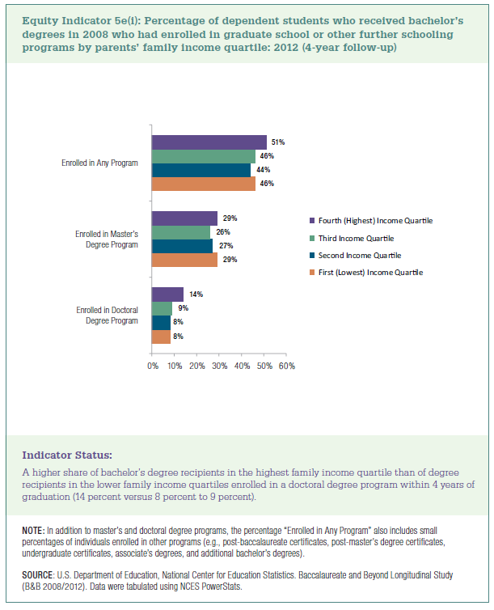
 | First (Lowest) Income Quartile | Second Income Quartile | Third Income Quartile | Fourth (Highest) Income Quartile
Enrolled in Doctoral Degree Program | 8% | 8% | 9% | 14%
Enrolled in Master's Degree Program | 29% | 27% | 26% | 29%
Enrolled in Any Program | 46% | 44% | 46% | 51%

