2018 Ind 5d(iia) 1980 chart
1980 Doctoral and Master's Degrees Conferred
 | 1980 Civilian Population | 1980 18-24 Year-Old Population | 1980 Master's Degrees Conferred | 1980 Doctoral Degrees Conferred
American Indian/Alaska Native | 1% | 1% | 0% | 0%
Asian/Pacific Islander | 2% | 2% | 2% | 2%
Hispanic | 6% | 8% | 2% | 2%
Black | 12% | 13% | 6% | 4%
White | 80% | 77% | 89% | 91%

2018 Ind 5d(iib) 2016 Chart
2016 Doctoral and Master's Degrees Conferred
 | 2016 Civilian Population | 2016 18-24 Year Old Population | 2016 Master's Degrees Conferred | 2016 Doctoral Degrees Conferred
Two or More Races | 2.0% | 3.0% | 2.6% | 2.4%
American Indian/Alaska Native | 0.6% | 0.6% | 0.5% | 0.5%
Asian | 6.0% | 6.0% | 7.1% | 12.5%
Hispanic | 18.0% | 22.0% | 9.7% | 7.5%
Black | 12.0% | 15.0% | 13.7% | 8.5%
White | 61.0% | 54.0% | 66.5% | 68.5%

2018 Ind 5d(ii) Data&Image
Equity Indicator 5d(ii): Percentage distributions of doctoral and master’s degrees conferred to U.S. citizens and the population by race/ethnicity: 1980 and 2016

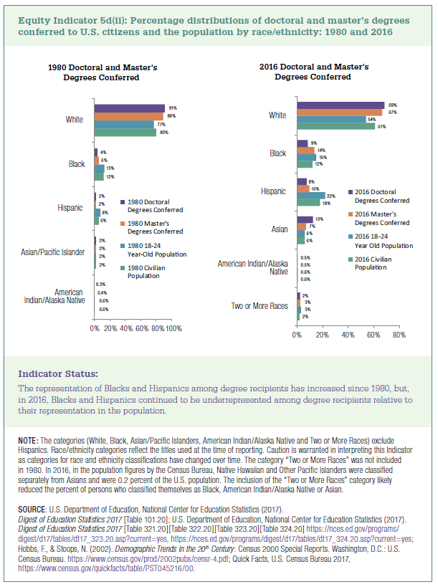

 |  | 1980 Civilian Population | 1980 18-24 Year-Old Population | 1980 Master's Degrees Conferred | 1980 Doctoral Degrees Conferred
 | American Indian/Alaska Native | 0.6% | 0.6% | 0.4% | 0.3%
 | Asian/Pacific Islander | 2% | 2% | 2% | 2%
 | Hispanic | 6% | 8% | 2% | 2%
 | Black | 12% | 13% | 6% | 4%
 | White | 80% | 77% | 89% | 91%

 |  | 2016 Civilian Population | 2016 18-24 Year Old Population | 2016 Master's Degrees Conferred | 2016 Doctoral Degrees Conferred
 | Two or More Races | 2% | 3% | 3% | 2%
 | American Indian/Alaska Native | 0.6% | 0.6% | 0.5% | 0.5%
 | Asian | 6% | 6% | 7% | 13%
 | Hispanic | 18% | 22% | 10% | 8%
 | Black | 12% | 15% | 14% | 9%
 | White | 61% | 54% | 67% | 69%

