2018 Indi 5d (i)a 1980 Chart
1980 Bachelor's and Associate's Degrees Conferred
 | 1980 Civilian Population | 1980 18-24 Year-Old Population | 1980 Associate's Conferred | 1980 Bachelor's Conferred
American Indian/Alaska Native | 1% | 1% | 1% | 1%
Asian/Pacific Islander | 2% | 2% | 2% | 2%
Hispanic | 6% | 8% | 4% | 2%
Black | 12% | 13% | 9% | 7%
White | 80% | 77% | 84% | 89%

2018 Indi 5d(i) 2016 Chart
2016 Bachelor's and Associates's Degrees Conferred
 | 2016 Civilian Population | 2016 18-24 Year Old Population | 2016 Associate's Conferred | 2016 Bachelor's Conferred
Two or More Races | 2.0% | 3.0% | 3% | 3.0%
American Indian/Alaska Native | 0.6% | 0.6% | 1% | 0.5%
Asian | 6.0% | 6.0% | 5% | 8.0%
Hispanic | 18.0% | 22.0% | 20% | 13.0%
Black | 12.0% | 15.0% | 14% | 11.0%
White | 61.0% | 54.0% | 57% | 65.0%

2018 Indi 5d Data&Image
Equity Indicator 5d(i): Percentage distributions of bachelor's and associate's degrees conferred to U.S. citizens and the population by race/ethnicity: 1980 and 2016
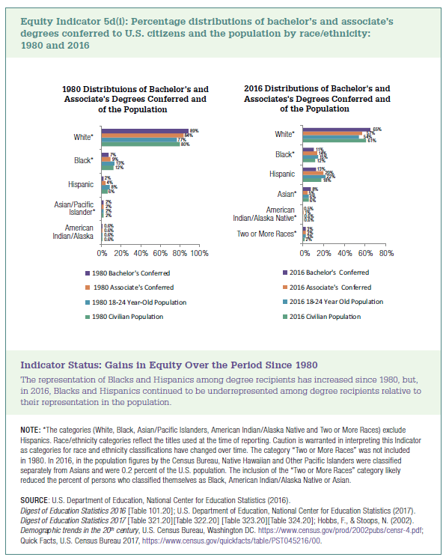

 |  | 1980 Civilian Population | 1980 18-24 Year-Old Population | 1980 Associate's Conferred | 1980 Bachelor's Conferred
 | American Indian/Alaska Native | 0.6% | 0.6% | 0.6% | 0.6%
 | Asian/Pacific Islander | 2% | 2% | 2% | 2%
 | Hispanic | 6% | 8% | 4% | 2%
 | Black | 12% | 13% | 9% | 7%
 | White | 80% | 77% | 84% | 89%

 |  | 2016 Civilian Population | 2016 18-24 Year Old Population | 2016 Associate's Conferred | 2016 Bachelor's Conferred
 | Two or More Races | 2% | 3% | 3% | 3%
 | American Indian/Alaska Native | 0.6% | 0.6% | 1% | 0.5%
 | Asian | 6% | 6% | 5% | 8%
 | Hispanic | 18% | 22% | 20% | 13%
 | Black | 12% | 15% | 14% | 11%
 | White | 61% | 54% | 57% | 65%

