2018 Indicator 1h Chart
 | Parents Did Not Attend College* | Parents Attended Some College* | Parents Earned a Bachelors Degree*
Completed High School by 2012** | 92% | 97% | 98%
Ever Enrolled in Postsecondary Education by 2012 | 72% | 84% | 93%

2018 Indicator 1h Data & Image
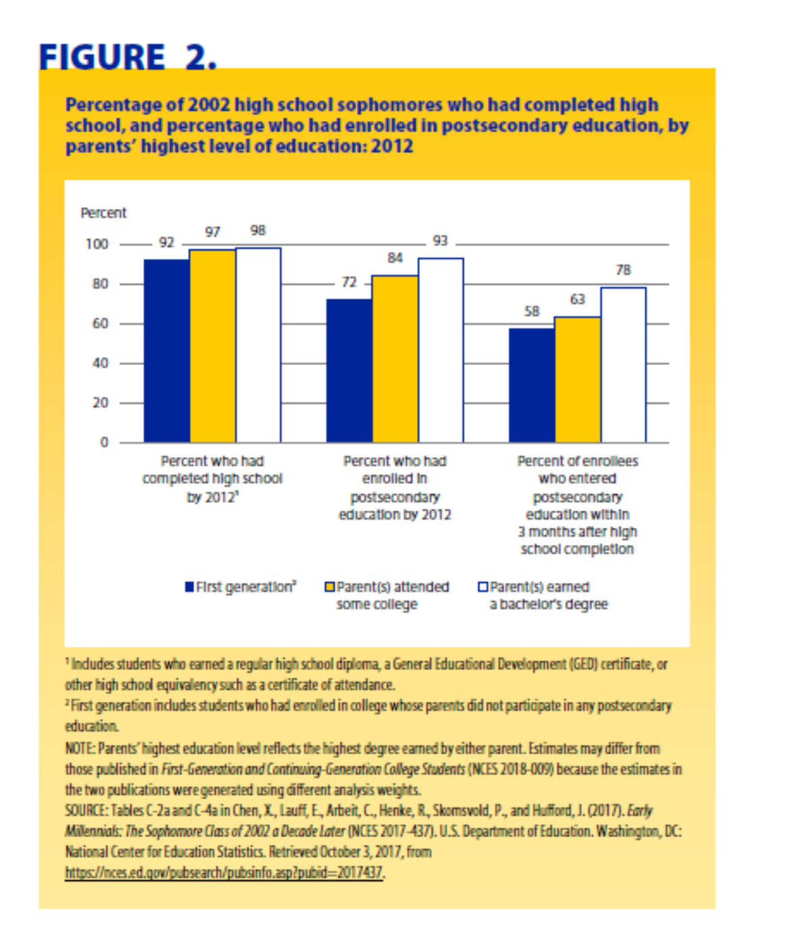
Equity Indicator 1h: Percentages of 10th grade students who had completed high school and enrolled in postsecondary education within 8 years of their scheduled high school graduation by parents’ highest level of education (ELS:2002/2012)

 | Completed High School by 2012** | Ever Enrolled in Postsecondary Education by 2012
Parents Did Not Attend College* | 92% | 72%
Parents Attended Some College* | 97% | 84%
Parents Earned a Bachelors Degree* | 98% | 93%

