2017 Appen Figure A-6 Chart
 | First (Lowest) Income Quartile | Second Income Quartile | Third Income Quartile | Fourth (Highest) Income Quartile
1970 | 22% | 23% | 26% | 55%
1971 | 22% | 22% | 27% | 56%
1972 | 22% | 24% | 31% | 55%
1973 | 22% | 23% | 36% | 53%
1974 | 21% | 22% | 37% | 53%
1975 | 24% | 21% | 35% | 55%
1976 | 24% | 21% | 30% | 54%
1977 | 25% | 22% | 32% | 52%
1978 | 24% | 22% | 33% | 51%
1979 | 23% | 22% | 35% | 50%
1980 | 24% | 24% | 37% | 53%
1981 | 24% | 22% | 38% | 60%
1982 | 24% | 23% | 39% | 66%
1983 | 26% | 23% | 39% | 69%
1984 | 25% | 26% | 39% | 74%
1985 | 25% | 25% | 39% | 79%
1986 | 19% | 26% | 38% | 78%
1987 | 17% | 25% | 41% | 77%
1988 | 19% | 26% | 44% | 72%
1989 | 25% | 25% | 43% | 76%
1990 | 23% | 26% | 40% | 76%
1991 | 19% | 27% | 37% | 76%
1992 | 16% | 27% | 37% | 72%
1993 | 19% | 27% | 40% | 67%
1994 | 19% | 27% | 41% | 66%
1995 | 17% | 29% | 40% | 66%
1996 | 15% | 31% | 35% | 60%
1997 | 16% | 27% | 35% | 57%
1998 | 19% | 27% | 36% | 52%
1999 | 18% | 25% | 38% | 51%
2000 | 16% | 25% | 37% | 48%
2001 | 14% | 25% | 39% | 46%
2002 | 16% | 23% | 40% | 59%
2003 | 21% | 27% | 43% | 64%
2004 | 23% | 28% | 41% | 65%
2005 | 23% | 33% | 45% | 57%
2006 | 22% | 33% | 46% | 57%
2007 | 19% | 33% | 51% | 59%
2008 | 18% | 31% | 52% | 61%
2009 | 18% | 29% | 53% | 60%
2010 | 18% | 29% | 50% | 57%
2011 | 18% | 30% | 50% | 57%
2012 | 17% | 31% | 50% | 61%
2013 | 20% | 33% | 53% | 69%
2014 | 24% | 33% | 52% | 72%
2015 | 26% | 35% | 52% | 74%

2017 App Fig A-6 Data & Image
Appendix Figure A-6: Estimates of bachelor’s degree attainment by age 24 for dependent family members who have entered college by family income quartile: 1970 to 2015
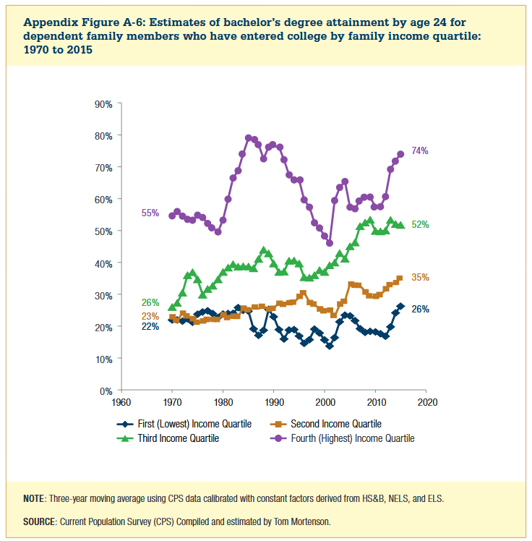

Year | First (Lowest) Income Quartile | Second Income Quartile | Third Income Quartile | Fourth (Highest) Income Quartile
1970 | 22% | 23% | 26% | 55%
1971 | 22% | 22% | 27% | 56%
1972 | 22% | 24% | 31% | 55%
1973 | 22% | 23% | 36% | 53%
1974 | 21% | 22% | 37% | 53%
1975 | 24% | 21% | 35% | 55%
1976 | 24% | 21% | 30% | 54%
1977 | 25% | 22% | 32% | 52%
1978 | 24% | 22% | 33% | 51%
1979 | 23% | 22% | 35% | 50%
1980 | 24% | 24% | 37% | 53%
1981 | 24% | 22% | 38% | 60%
1982 | 24% | 23% | 39% | 66%
1983 | 26% | 23% | 39% | 69%
1984 | 25% | 26% | 39% | 74%
1985 | 25% | 25% | 39% | 79%
1986 | 19% | 26% | 38% | 78%
1987 | 17% | 25% | 41% | 77%
1988 | 19% | 26% | 44% | 72%
1989 | 25% | 25% | 43% | 76%
1990 | 23% | 26% | 40% | 76%
1991 | 19% | 27% | 37% | 76%
1992 | 16% | 27% | 37% | 72%
1993 | 19% | 27% | 40% | 67%
1994 | 19% | 27% | 41% | 66%
1995 | 17% | 29% | 40% | 66%
1996 | 15% | 31% | 35% | 60%
1997 | 16% | 27% | 35% | 57%
1998 | 19% | 27% | 36% | 52%
1999 | 18% | 25% | 38% | 51%
2000 | 16% | 25% | 37% | 48%
2001 | 14% | 25% | 39% | 46%
2002 | 16% | 23% | 40% | 59%
2003 | 21% | 27% | 43% | 64%
2004 | 23% | 28% | 41% | 65%
2005 | 23% | 33% | 45% | 57%
2006 | 22% | 33% | 46% | 57%
2007 | 19% | 33% | 51% | 59%
2008 | 18% | 31% | 52% | 61%
2009 | 18% | 29% | 53% | 60%
2010 | 18% | 29% | 50% | 57%
2011 | 18% | 30% | 50% | 57%
2012 | 17% | 31% | 50% | 61%
2013 | 20% | 33% | 53% | 69%
2014 | 24% | 33% | 52% | 72%
2015 | 26% | 35% | 52% | 74%

