2017 Appendix Figure A-5 Chart
 | First (Lowest) Income Quartile | Second Income Quartile | Third Income Quartile | Fourth (Highest) Income Quartile
1970 | 62% | 84% | 90% | 93%
1971 | 62% | 82% | 88% | 93%
1972 | 64% | 83% | 88% | 93%
1973 | 64% | 84% | 90% | 92%
1974 | 63% | 81% | 89% | 93%
1975 | 64% | 81% | 90% | 93%
1976 | 64% | 84% | 89% | 94%
1977 | 63% | 82% | 89% | 94%
1978 | 64% | 82% | 89% | 92%
1979 | 64% | 81% | 89% | 92%
1980 | 65% | 82% | 90% | 92%
1981 | 64% | 82% | 90% | 91%
1982 | 63% | 83% | 90% | 94%
1983 | 64% | 81% | 89% | 93%
1984 | 66% | 82% | 91% | 93%
1985 | 67% | 83% | 90% | 94%
1986 | 67% | 81% | 90% | 93%
1987 | 68% | 83% | 89% | 95%
1988 | 67% | 84% | 90% | 94%
1989 | 67% | 83% | 89% | 93%
1990 | 68% | 83% | 91% | 94%
1991 | 65% | 83% | 91% | 95%
1992 | 67% | 83% | 90% | 94%
1993 | 68% | 83% | 90% | 95%
1994 | 68% | 82% | 90% | 94%
1995 | 66% | 82% | 88% | 94%
1996 | 67% | 83% | 89% | 94%
1997 | 64% | 82% | 89% | 93%
1998 | 64% | 81% | 89% | 93%
1999 | 68% | 83% | 90% | 91%
2000 | 65% | 83% | 90% | 92%
2001 | 65% | 80% | 89% | 93%
2002 | 68% | 82% | 86% | 91%
2003 | 70% | 84% | 88% | 92%
2004 | 68% | 82% | 89% | 93%
2005 | 69% | 83% | 89% | 93%
2006 | 68% | 84% | 88% | 92%
2007 | 70% | 83% | 89% | 93%
2008 | 71% | 85% | 90% | 92%
2009 | 70% | 84% | 90% | 93%
2010 | 73% | 83% | 88% | 93%
2011 | 72% | 83% | 88% | 91%
2012 | 72% | 83% | 88% | 91%
2013 | 74% | 84% | 87% | 90%
2014 | 76% | 84% | 88% | 91%
2015 | 76% | 85% | 90% | 91%

2017 Ap Figure A-5 Data & Image
Appendix Figure A-5: High school graduation rates by family income quartile for dependent 18-to-24-year-olds: 1970 to 2015

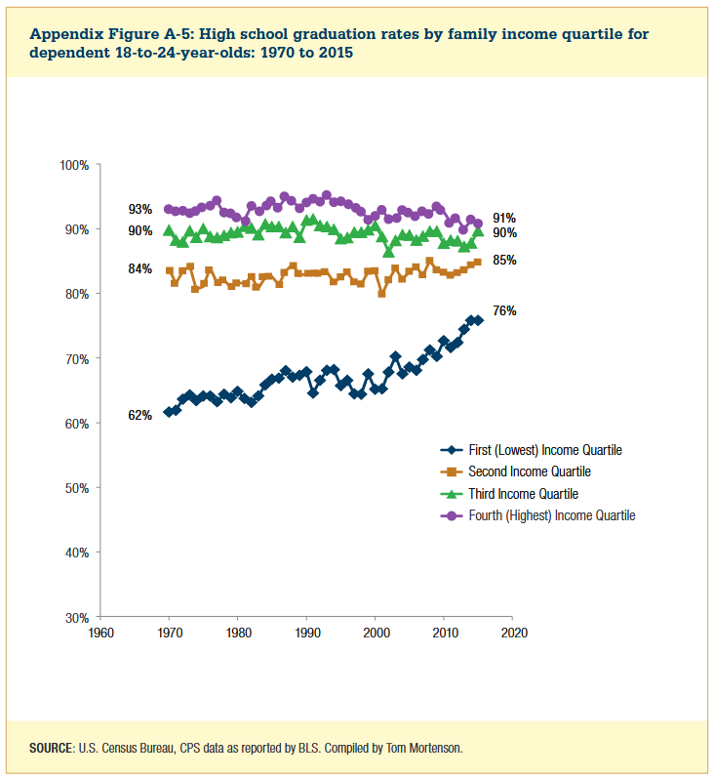

Year | First (Lowest) Income Quartile | Second Income Quartile | Third Income Quartile | Fourth (Highest) Income Quartile
1970 | 62% | 84% | 90% | 93%
1971 | 62% | 82% | 88% | 93%
1972 | 64% | 83% | 88% | 93%
1973 | 64% | 84% | 90% | 92%
1974 | 63% | 81% | 89% | 93%
1975 | 64% | 81% | 90% | 93%
1976 | 64% | 84% | 89% | 94%
1977 | 63% | 82% | 89% | 94%
1978 | 64% | 82% | 89% | 92%
1979 | 64% | 81% | 89% | 92%
1980 | 65% | 82% | 90% | 92%
1981 | 64% | 82% | 90% | 91%
1982 | 63% | 83% | 90% | 94%
1983 | 64% | 81% | 89% | 93%
1984 | 66% | 82% | 91% | 93%
1985 | 67% | 83% | 90% | 94%
1986 | 67% | 81% | 90% | 93%
1987 | 68% | 83% | 89% | 95%
1988 | 67% | 84% | 90% | 94%
1989 | 67% | 83% | 89% | 93%
1990 | 68% | 83% | 91% | 94%
1991 | 65% | 83% | 91% | 95%
1992 | 67% | 83% | 90% | 94%
1993 | 68% | 83% | 90% | 95%
1994 | 68% | 82% | 90% | 94%
1995 | 66% | 82% | 88% | 94%
1996 | 67% | 83% | 89% | 94%
1997 | 64% | 82% | 89% | 93%
1998 | 64% | 81% | 89% | 93%
1999 | 68% | 83% | 90% | 91%
2000 | 65% | 83% | 90% | 92%
2001 | 65% | 80% | 89% | 93%
2002 | 68% | 82% | 86% | 91%
2003 | 70% | 84% | 88% | 92%
2004 | 68% | 82% | 89% | 93%
2005 | 69% | 83% | 89% | 93%
2006 | 68% | 84% | 88% | 92%
2007 | 70% | 83% | 89% | 93%
2008 | 71% | 85% | 90% | 92%
2009 | 70% | 84% | 90% | 93%
2010 | 73% | 83% | 88% | 93%
2011 | 72% | 83% | 88% | 91%
2012 | 72% | 83% | 88% | 91%
2013 | 74% | 84% | 87% | 90%
2014 | 76% | 84% | 88% | 91%
2015 | 76% | 85% | 90% | 91%

