2017 Appendix Figure A-2 Chart
 | First (Lowest Quartile) | Second | Third
1987 | $38,605 | $67,691 | $106,552
1988 | $42,656 | $70,867 | $112,009
1989 | $40,839 | $68,372 | $110,608
1990 | $39,693 | $67,723 | $109,372
1991 | $41,151 | $67,830 | $107,725
1992 | $40,140 | $67,756 | $108,190
1993 | $39,121 | $66,544 | $106,399
1994 | $41,283 | $70,725 | $111,215
1995 | $41,647 | $72,638 | $112,907
1996 | $42,583 | $73,268 | $111,322
1997 | $43,506 | $75,856
1998 | $45,488 | $78,687
1999 | $46,962 | $81,145 | $114,906
2000 | $46,677 | $82,052 | $118,713
2001 | $46,961 | $87,124
2002 | $46,625 | $80,717
2003 | $46,282 | $80,737 | $122,521
2004 | $45,407 | $79,200 | $121,205
2005 | $44,377 | $77,860 | $119,548
2006 | $45,462 | $78,907 | $124,416
2007 | $45,169 | $78,817 | $132,705
2008 | $42,220 | $73,423 | $117,829
2009 | $39,883 | $72,193 | $119,697
2010 | $35,940 | $66,987 | $107,521
2011 | $35,087 | $66,546 | $110,427
2012 | $35,274 | $65,675 | $112,194
2013 | $34,917 | $66,476 | $114,792
2014 | $34,973 | $65,572 | $116,600
2015 | $37,679 | $68,494 | $119,765

2017 App Fig A-2 Data & Image
Appendix Figure A-2: Upper limits for the first (lowest), second, and third family income quartiles for dependent 18-to-24-year-olds in constant 2015 dollars: 1987 to 2015

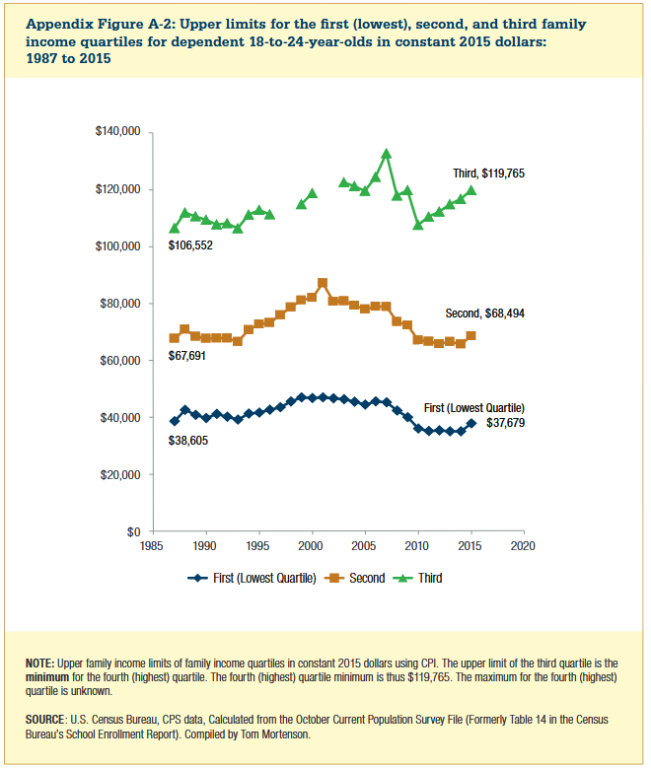

Year | First (Lowest Quartile) | Second | Third
1987 | $38,605 | $67,691 | $106,552
1988 | $42,656 | $70,867 | $112,009
1989 | $40,839 | $68,372 | $110,608
1990 | $39,693 | $67,723 | $109,372
1991 | $41,151 | $67,830 | $107,725
1992 | $40,140 | $67,756 | $108,190
1993 | $39,121 | $66,544 | $106,399
1994 | $41,283 | $70,725 | $111,215
1995 | $41,647 | $72,638 | $112,907
1996 | $42,583 | $73,268 | $111,322
1997 | $43,506 | $75,856
1998 | $45,488 | $78,687
1999 | $46,962 | $81,145 | $114,906
2000 | $46,677 | $82,052 | $118,713
2001 | $46,961 | $87,124
2002 | $46,625 | $80,717
2003 | $46,282 | $80,737 | $122,521
2004 | $45,407 | $79,200 | $121,205
2005 | $44,377 | $77,860 | $119,548
2006 | $45,462 | $78,907 | $124,416
2007 | $45,169 | $78,817 | $132,705
2008 | $42,220 | $73,423 | $117,829
2009 | $39,883 | $72,193 | $119,697
2010 | $35,940 | $66,987 | $107,521
2011 | $35,087 | $66,546 | $110,427
2012 | $35,274 | $65,675 | $112,194
2013 | $34,917 | $66,476 | $114,792
2014 | $34,973 | $65,572 | $116,600
2015 | $37,679 | $68,494 | $119,765

