2017 Figure A-1 March 23
 | Median Family Income
1956 | $33,767
1958 | $33,818
1961 | $36,878
1963 | $42,360
1964 | $43,979
1965 | $45,170
1966 | $47,491
1967 | $49,549
1968 | $51,705
1969 | $54,331
1970 | $54,203
1971 | $54,333
1972 | $57,025
1973 | $58,327
1974 | $56,849
1975 | $55,845
1976 | $57,246
1977 | $57,711
1978 | $60,628
1979 | $61,422
1980 | $59,276
1981 | $57,848
1982 | $57,054
1983 | $57,447
1984 | $59,118
1985 | $60,251
1986 | $62,618
1987 | $63,433
1988 | $63,878
1989 | $65,052
1990 | $63,747
1991 | $62,652
1992 | $62,373
1993 | $61,773
1994 | $63,561
1995 | $64,557
1996 | $65,612
1997 | $67,569
1998 | $70,038
1999 | $71,790
2000 | $71,740
2001 | $70,770
2002 | $70,116
2003 | $70,541
2004 | $70,016
2005 | $70,155
2006 | $70,857
2007 | $71,825
2008 | $69,368
2009 | $67,876
...

2017 Figure A-1 Data & Image
Appendix Figure A-1: Median income for families with a householder 25 years of age and over in constant 2015 dollars: 1956 to 2015

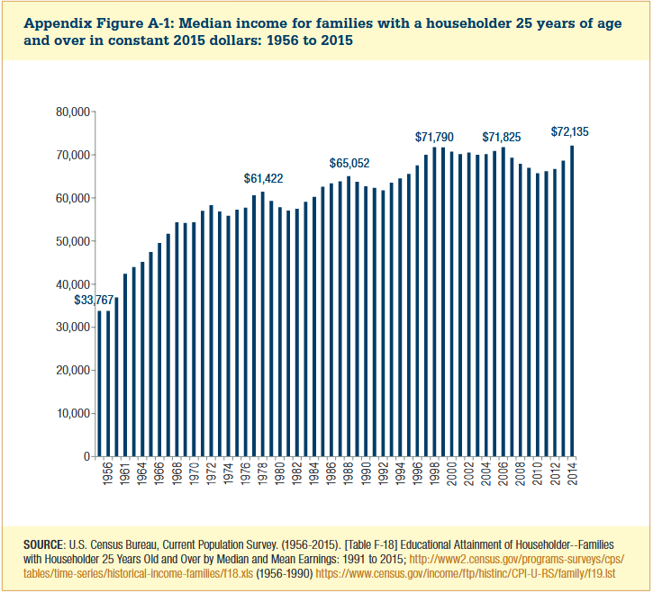

Year | Median Family Income
1956 | $33,767
1958 | $33,818
1961 | $36,878
1963 | $42,360
1964 | $43,979
1965 | $45,170
1966 | $47,491
1967 | $49,549
1968 | $51,705
1969 | $54,331
1970 | $54,203
1971 | $54,333
1972 | $57,025
1973 | $58,327
1974 | $56,849
1975 | $55,845
1976 | $57,246
1977 | $57,711
1978 | $60,628
1979 | $61,422
1980 | $59,276
1981 | $57,848
1982 | $57,054
1983 | $57,447
1984 | $59,118
1985 | $60,251
1986 | $62,618
1987 | $63,433
1988 | $63,878
1989 | $65,052
1990 | $63,747
1991 | $62,652
1992 | $62,373
1993 | $61,773
1994 | $63,561
1995 | $64,557
1996 | $65,612
1997 | $67,569
1998 | $70,038
1999 | $71,790
2000 | $71,740
2001 | $70,770
2002 | $70,116
2003 | $70,541
2004 | $70,016
2005 | $70,155
2006 | $70,857
2007 | $71,825
2008 | $69,368
2009 | $67,876
2010 | $66,997
2011 | $65,742
2012 | $66,199
2013 | $66,680
2014 | $68,623
2015 | $72,135

